InterView Question Answers
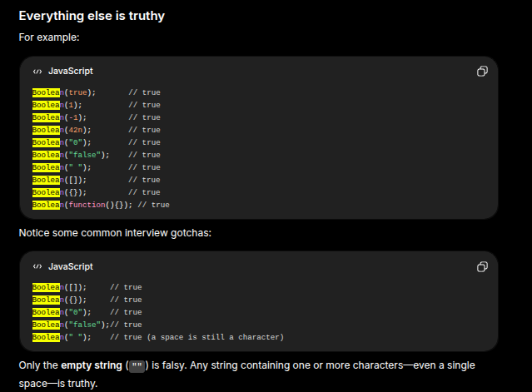
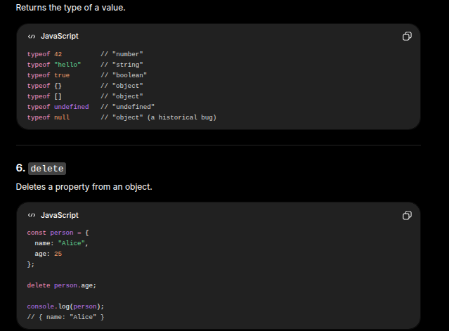
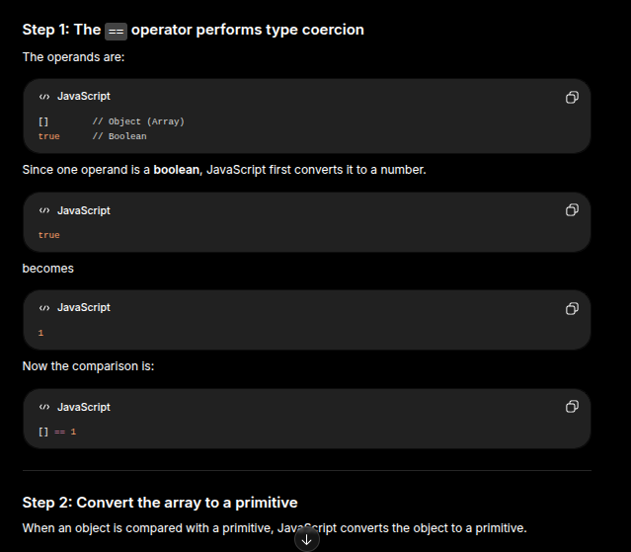
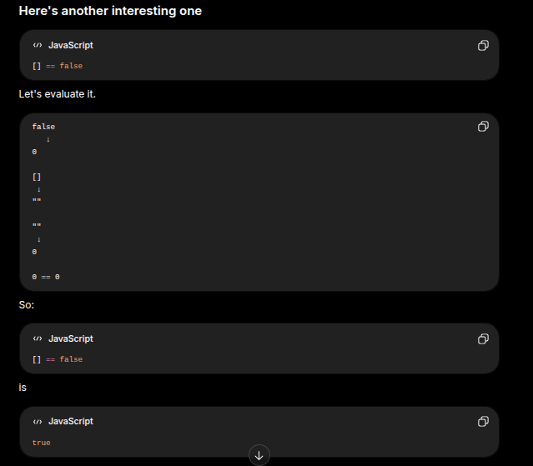
Why do we use DOC type in HTML ?
We use Doctype to tell the browser which version of HTML we are using

Head type ?
It basically includes all of the meta tagstaht are useful for the SEO, the title of the webpage. Can also include the external links like script and css files

In html welink JS file ? What is the better place to use it ? Head tag or the body tag ?
Closing body tag. We don’t know what is written the script. If we put it just before the body tag, in the head tag, the dom element wont be available there.

Not in body but in the header tag. The code is accessing the DOM element.
Defer. This tells the executor to hold the JS and execute after the DOM parses.

What is the difference if we added below ? What is the main difference
It will only parse after the Dom has completed parsing.

Why is this not a better way ?

ASYNC attribute, how is it different from differ tag ?
Async tag, if we just link an header tag. If we don’t add anything it will start downloading immediately. It will not parse the HTML if wedont add anything till script file is downloaded and executed. It will wait for js to be downloaded and executed and then it continue and parse the HTMl. IF we add defer, it will start downloading, but will DOM to be ready and parsed. On async, it will start downlaoding and the parsing also but it will not wait for the HTML to be completely parsed
Async tag : will start downloading and execution right away. It will not wait for the DOM to be completely parsed. But defer will wait for the html to be parsed before it is executed
Will only wait for the JS to start downloading and execution,even if only half of the HTML is parsed

Can we create a custom element ? Can we create HTML using any name? Will it give error ?
HTML and CSS never gives error. CSS only ignores if something is not valid. In html you can create any tag names. What will be the display Value of this randomly created element ? Inline or block ? Span or div?
Bydefault all the elements are inline, so it should be inline

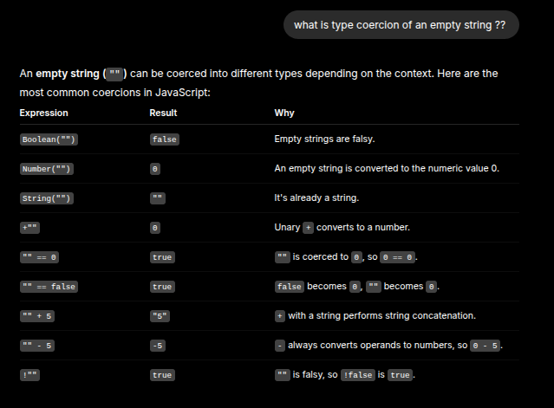
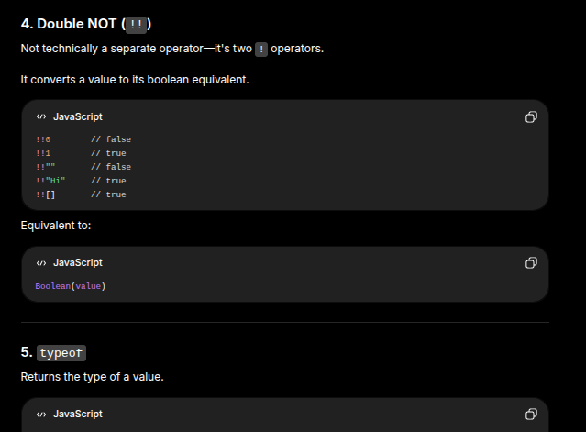
Difference between inline and block ?
We cannot give width and height to inline elements. We can give margin left and right but not not top and bottom margin to inline.
For block we can give width and height
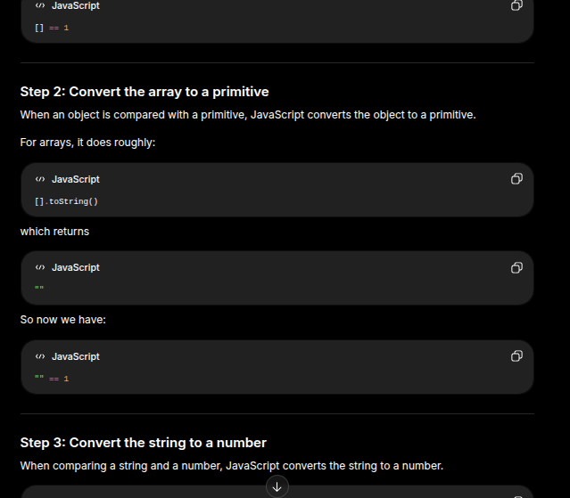
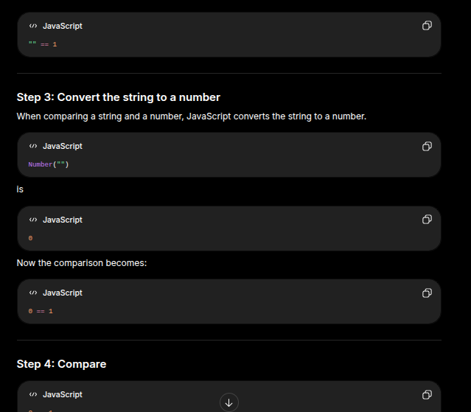
Every block element will start from the nextline wherever it is placed. It will take the width of its parent container if we aer not giving any particular width. Inline will take the width how much required to render the content
Padding we can give to inline elements. Elements height and width increases and the box will move left and right
For top and botoom, we give top padding, will it shift down ? No it will not shift down. The content will there but the boxheight will beincreased

Wht is the display property if images??
Images are inline
Wecan giveheight and width. How is it possibleto give height and width ?
Content of video tag and image tag is provided by external source so they are treated differently in the browser. They don’t behave like inline 100% so we can give heightandwidth
2 categoreis of inline : replaced inline and non replaced inline elements. Replaced comes from source : image video iframe, we can give height andwidth. Non replaced :span tag,anchor tag, whole tag : we cannot give height and width

What is the Box models >
How the browser calculates the height and width of any element in CSS. 2 property. Content Box and the borderBox. Defualt content box is enabled, in which height and width would not
contain the padding and border of any element. Border box that will be included while calculating the height and width of that element
apdding and border are part of the element. Margin is not included in the elemnts size. It just pushes the elements away

Box model ?? All elements are rectangular box ?
All elements are rectangular things?
We have one span tag and span tag is done in such a way. We have long paragraphs which covers one line and a half line next line. If you give it a background color it is that color. It becomes a weird shaped
All inline except replaced inline don’t follow box model rule. They do their own things

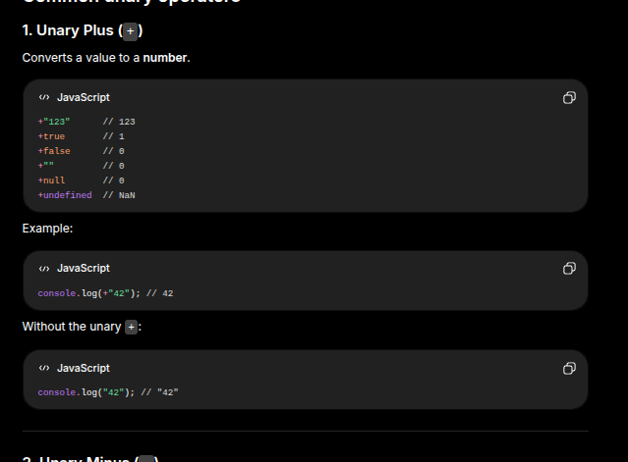
0
Js : what are the data types in js ?
There are two types of datatypes in JS. Primitives and non - premitivies
primitive : number, string, boolean
non primitive: array, function and objects

Classes in JS :
Not as comfortable
TypeOf function is a function. Function is not a datatype in JS
Function is behind the scene an object
typeOF [] is also object
Type of class is a function

What are promises?
Special object in jS. Represents the eventual completion of asycnhronous operations. It has 3 states. Pending, resolved or rejected depending on the operations that we performed ascynchoronously
Create a promise and resolve it when a button on html is click
If you are using await then that callback will run and if you are using await, then that will run
The promise will execute itself as soon as the promise is created

Create a promise and resolve it when a button on the Html element is clicked !
When the button is clicked, the promise is resolved, when we are using await or then then that callback will run
Not resolve until that button is clicked.
Create as soon as the file loads
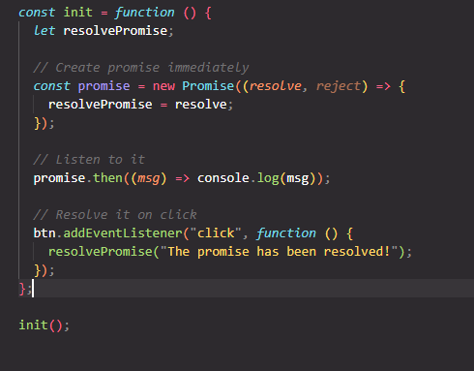
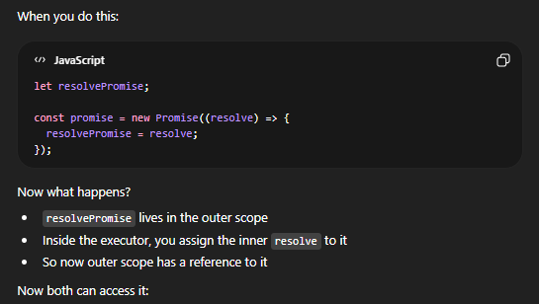

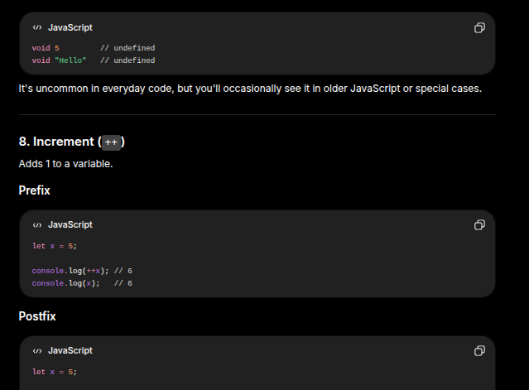
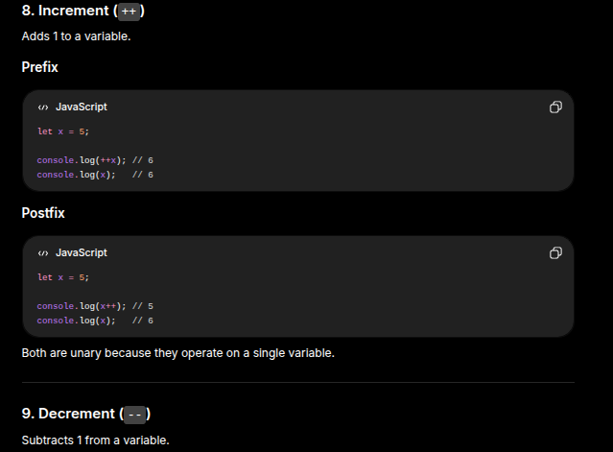

 |  |  |  |  |  |  |  |  |  |  |  |  | Here promise.resovlve is creating a new promise and it is not resolving the existing promisee
 |  |  |  |  |  |  |  |  |  |  |  |  | Promise.resolve creates a new promise which is immediately resolved when called upon. It has nothing to do with the existing promise

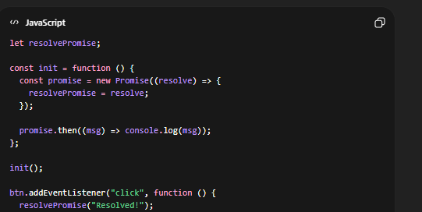

 |  |  |  |  |  |  |  |  |  |  | This also works if the btn.addEventListener is outside the scope
 |  |  |  |  |  |  |  |  |  |  | However if it is ouside the scope, then resolvePRomise should also be outside the iinit function

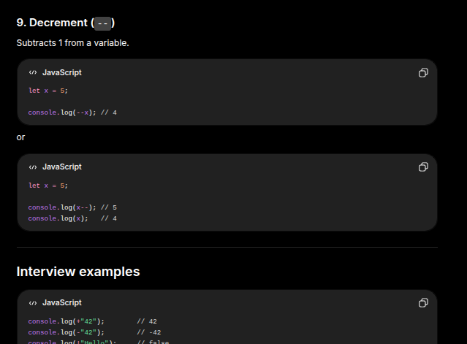
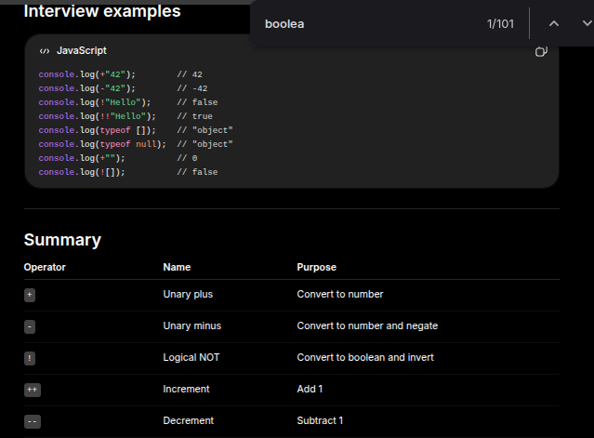
How is a promise resolved ?
We simply call the first parameter of the handler function
 |  |  |  |  |  |  |  |  |  | 25 minutes on noting
Try to do the resolve rejected button separately on your own the next time in your next revision |  |  |  |  |  |  |  |  |  | 25 Don’t have enough brainpower to memorise anything
 |  |  |  |  |  |  |  |  |  | 25 on memorising the new things
How to create a promise without using new Promise
t.b.c : 37:10 of https://www.youtube.com/watch?v=QmfyWw3Cth8 |  |  |  |  |  |  |  |  |  |  |  |  |  |  |  | https://www.youtube.com/watch?v=l2f3xVvZGLA |  | t.b.c : 10:39
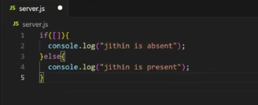
We do that by this following code L
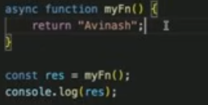
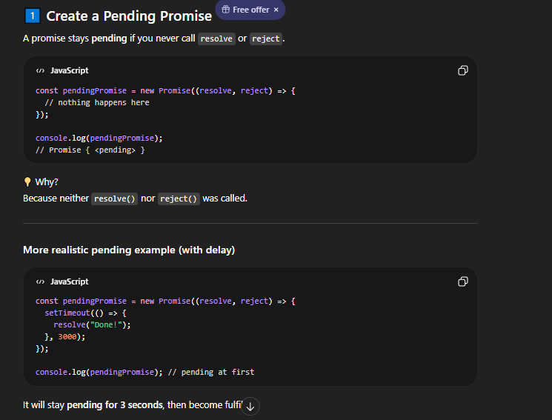
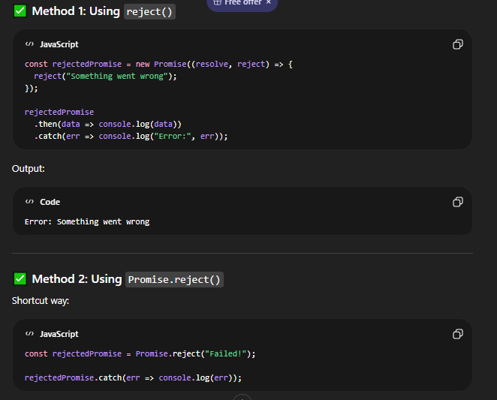
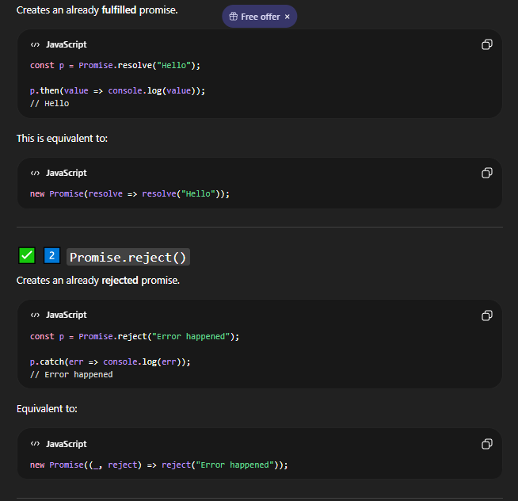
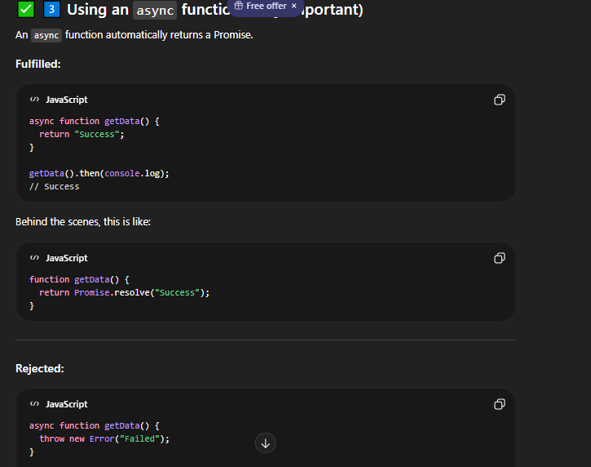
 |  |  |  |  |  |  |  |  |  |  |  |  |  |  | 1

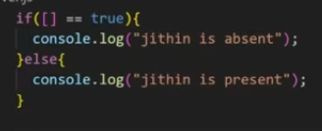
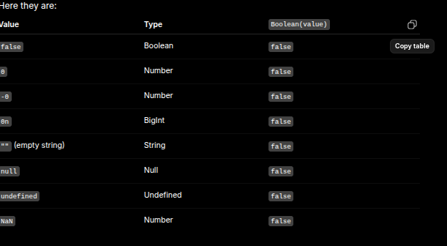
 |  |  |  |  |  |  |  |  |  |  |  |  |  |  | 2 |  |  |  |  |  | A fasly value is a value that becomes false when converted to boolean
How to create a pending promise |  |  |  |  |  |  |  |  |  |  |  |  |  |  |  |  |  |  |  |  | Value | Type | Boolean(value)
 |  |  |  |  |  |  |  |  |  |  |  |  |  |  |  |  |  |  |  |  | false | Boolean | false
 |  |  |  |  |  |  |  |  |  |  |  |  |  |  |  |  |  |  |  |  | 0 | Number | false
 |  |  |  |  |  |  |  |  |  |  |  |  |  |  |  |  |  |  |  |  | 0 | Number | false |  | these are all of the falsy values
 |  |  |  |  |  |  |  |  |  |  |  |  |  |  |  |  |  |  |  |  | 0n | BigInt | false
How to create a rejected promise ? |  |  |  |  |  |  |  |  |  |  |  |  |  |  |  |  |  |  |  |  | "" (empty string) | String | false
 |  |  |  |  |  |  |  |  |  |  |  |  |  |  |  |  |  |  |  |  | null | Null | false
 |  |  |  |  |  |  |  |  |  |  |  |  |  |  |  | “==” | Both have different data types what happens ?? |  |  |  | undefined | Undefined | false
 |  |  |  |  |  |  |  |  |  |  |  |  |  |  |  |  | This is loose comparison, it compares the values but not the data types |  |  |  | NaN | Number | false
How to create a promise the is |  |  |  |  |  |  |  |  |  |  |  |  |  |  |  |  | Just sees whether the values are equal
rejected once a button is
clicked |  |  |  |  |  |  |  |  |  |  |  |  |  |  |  | [] | What is type coercion |  | ---> | It is the automatic or explicit conversion of a data from one data type to another
 |  |  |  |  |  |  |  |  |  |  |  |  |  |  |  |  | Empty array er .toSring() is invoked, then it becomes an empty string |  |  | console.log("5" + 2); |  | 1 | "52"
 |  |  |  |  |  |  |  |  |  |  |  |  |  |  |  |  |  |  |  | console.log("5" - 2); |  | 2 | 3
Create separate buttons to |  |  |  |  |  |  |  |  |  |  |  |  |  |  |  |  |  |  |  | if ("") { |  | 3 | Goodbye
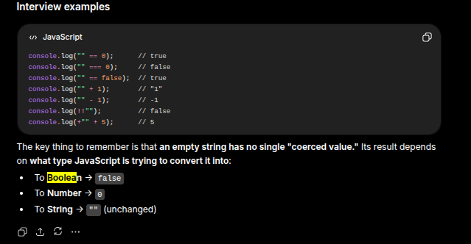
reject the promise |  |  |  |  |  |  |  |  |  |  |  |  |  |  |  |  |  |  |  | console.log("Hello"); |  |  | In an if statement, JavaScript needs a boolean value, so it converts "" to false.
 |  |  |  |  |  |  |  |  |  |  |  |  |  |  |  |  |  |  |  | } else { |  |  | Here, "" was coerced from a string to a boolean.
Make the promise in a pending |  |  |  |  |  |  |  |  |  |  |  |  |  |  |  |  |  |  |  | console.log("Goodbye");
state |  |  |  |  |  |  |  |  |  |  |  |  |  |  |  |  |  |  |  | }
Resilve that promise once the bitton
is clicked |  |  |  |  |  |  |  |  |  |  |  |  |  |  |  |  |  |  |  | Boolean(""); // false |  | 4 | Boolean(0); // false | Boolean("0"); // true |  | Boolean(0); // false
Try this out yourself later |  |  |  |  |  |  |  |  |  |  |  |  |  |  |  |  |  |  |  | Boolean("Hello"); // true |  |  | Boolean(""); // false | Boolean(" "); // true |  | Boolean("0"); // true
 |  |  |  |  |  |  |  |  |  |  |  |  |  |  |  |  |  |  |  | Boolean(" "); // true (contains one space) |  |  | Boolean(null); // false | Boolean([]); // true |  | 0 is the numeric value zero, which JavaScript defines as falsy.
We can use await outside the async funtion |  |  |  |  |  |  |  |  |  |  |  |  |  |  |  |  |  |  |  |  |  |  | Boolean(undefined);// false | Boolean({}); // true |  | "0" is not an empty string. It contains one character ('0'), so it's truthy.
What are es6 modukes >> |  |  |  |  |  |  |  |  |  |  |  |  |  |  |  |  |  |  |  |  |  |  | Boolean(NaN); // false | Boolean(-1); // true

If we are using the await keyword, the execution of the function is stopped and it will not continue. If that execution is stopped will it not block the main part of js ?
That function will go to the callback queue or somewhere else
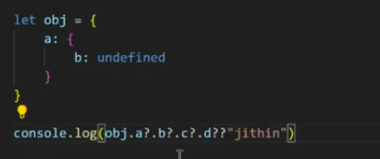
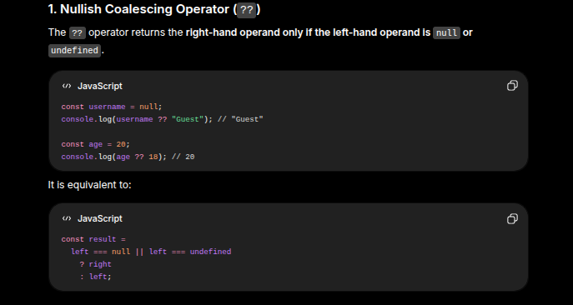
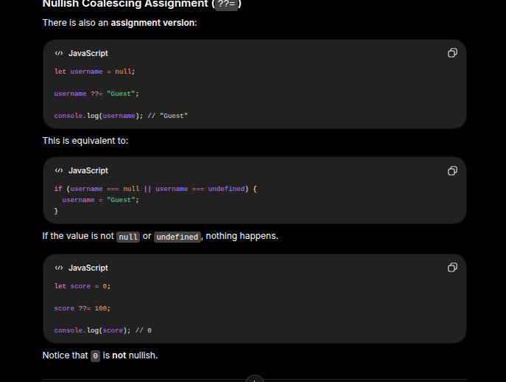
How will it return the resolved value ?
Through the event loop which keeps on checking the call stack

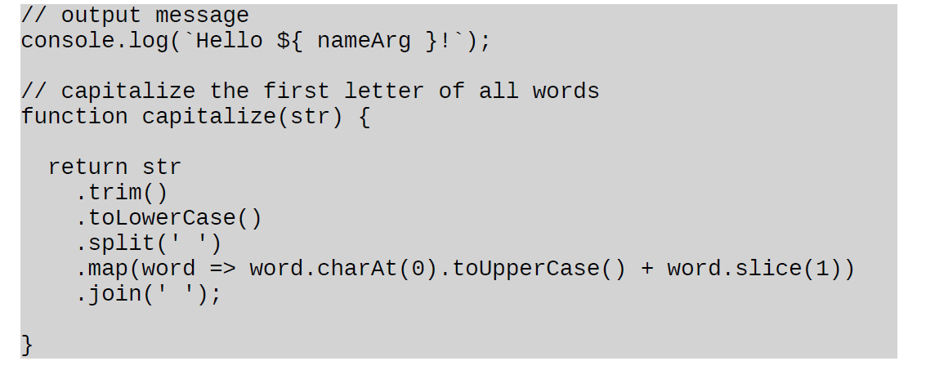
Will it execute from line 1 or 5 ?
It will execute from where it lived
This is the thing with async functions. They stop the execution using the await keyword. Whenever that promise is fullfilled, the function will start executing, from that line where it left
Another await keyword, it will do the same thing again and again

Import a simple cl('your name') in your JavaScript file
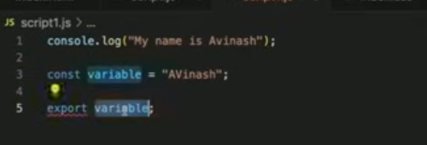
 |  |  |  |  |  |  |  |  |  |  |  |  |  |  |  | For nullis coalescent operator if the left hand value is undefined or
 |  |  |  |  |  |  |  |  |  |  |  |  |  |  |  | null we get the right hand operand

 |  |  |  |  |  |  |  |  |  |  |  |  |  |  |  | or we get jithin

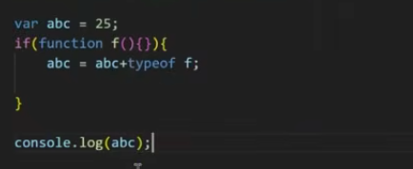
 |  |  |  |  |  |  |  |  |  |  |  |  |  |  | 2

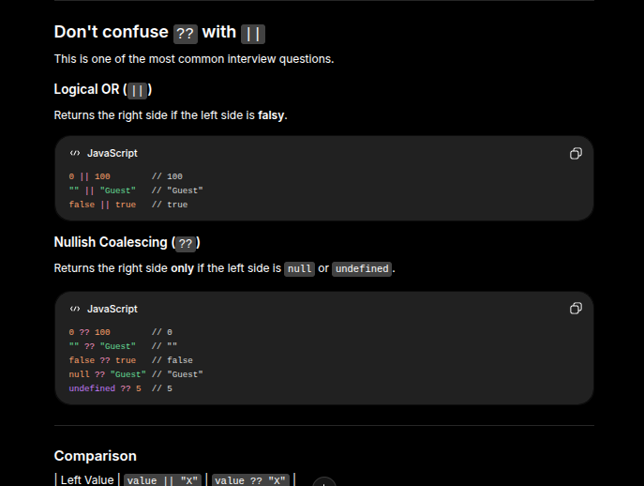
Guess the order of output? There will be 3 console logs
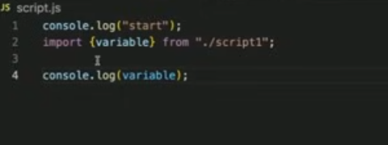

 |  |  |  |  |  |  |  |  |  |  |  |  |  |  |  | 26 ? | 2
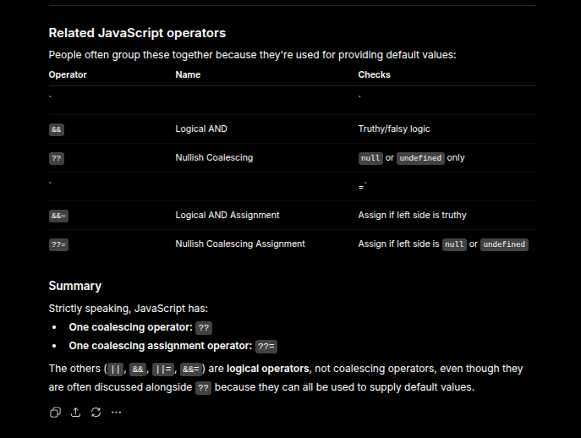

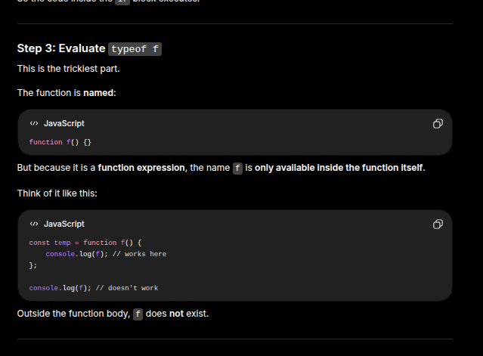

Import statement that we are executing in line number 2. How is it executing before the start also ?
2phases
1st Phase : Js will do all of the memory assigning part and then executed. Keep the variables hoisted
2nd Phase: Import statement is first encountered or executed by JS

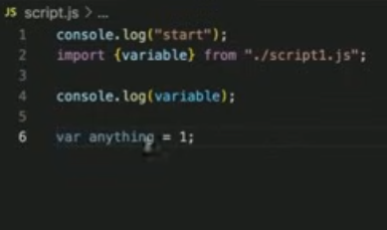
 |  |  |  |  |  | On which scopeis thevara going ot be in ?
 |  |  |  |  |  | This var is going to be in the global scope

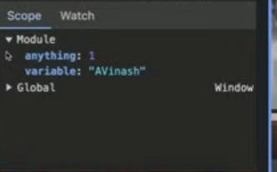
 |  |  |  |  |  | But if it is in the global scope. This should come here. Why is it not present here ?
 |  |  |  |  |  |  |  |  |  |  | After global there is module scope. Module scope is bigger than the global scope
 |  |  |  |  |  |  |  |  |  |  | Smaller than global
 |  |  |  |  |  |  |  |  |  |  | Script scope isalmost likeglobal scope

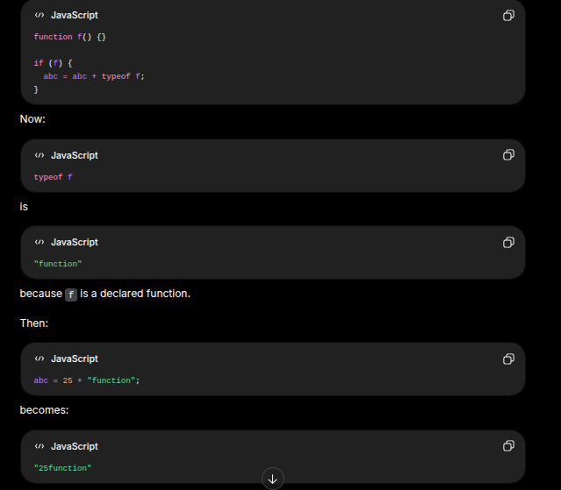
 |  |  |  |  |  |  |  |  |  |  |  | Research on getBoundingClientRect
 |  |  |  |  |  |  |  |  |  |  |  | Also on intersection Observer
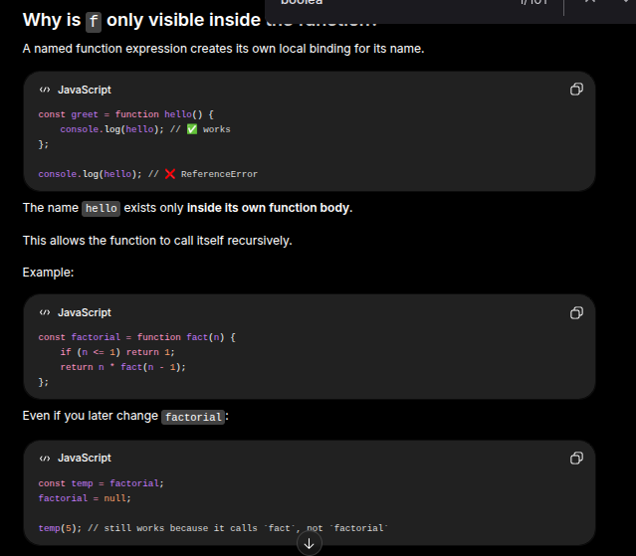
 |  |  |  |  |  |  |  |  |  |  |  | Research on doing a couple of exercises that will let you use the debugger. Beocome more comfortable with it
Wheveer the user clicks on the screen. It will create a circle with random radius. It cannot exceed a certain screensize
max 2 circles
third click deletes the first circle
needs to check if the circle is intersecting ?
Find if that it intersecting or not
Also mention how many pixels that it is intersecting
45 minutes to finish this

center of the circle will be the clicking point
t.b.c | 1:24:34 |  | This is the point that teaches about using co-ordinates to find out the intersecting points betweencircles
 | 1:48:33
https://www.youtube.com/watch?v=BCQEtK9II-A&pp=ugUHEgVlbi1VUw%3D%3D |  |  |  |  |  |  |  | See later
https://www.youtube.com/watch?v=euo6fFudwbk |  |  |  |  | Interesting Video |  | t.b.c | 41:44:00
https://www.youtube.com/watch?v=B_Iup877bYg&list=PLfEr2kn3s-bqPHUx1xgNFFXjX5WCWgqEv&index=16

Difference between Fixed and absolye ?
HTML with tags, has a lot of tags. If I give a tag as my name, what will have, will it work or not ?? If it works will it be span or div ? Why ?
by default what are all elements ?
fixed relative to body ? Or the viewport ?
Whenever the content is more than the body, it starts to scroll. Left side scroll bar comes. At that time the height of the body is more than viewport
Will it be relative to all cases or in which cases will it not be relatve to the window ?
Difference between inline and block elements ?
Parent div named container. Width parent = 500 px, what will be the width of the child ?
How does event propagation work when working with clicking a button
Any other difference between block and inline
What does the block elements take the width of ?? Parent or the view Port
Any other difference for block elemetns Block and inline ?
Span or inline tag, can we give height and width to span elements ?
Wehave a div, we have given flexbox to the container and in the child we have 2 spans
 | If we give height and width to those elements, will those work ?
 | Parent is the div
Will this work ?
 |  |  |  |  |  |  |  | v
Js Sectiom
Difference between if else and ternary operator ?
We can do multiple conditions on ternary operations like multiple blocks of if else
it is not a es6 thing
Syntactical differnce is not being asked
One is expression and one is statement. What is the difference between them
'-----------------------------------------'Second Lecture' ------------------------------------ |  |  |  |  |  |  |  |  | FrontEnd egnineer for past 3 years. Worked on 3 companies. Last company name is …. There was more than 1.5% and integrate UI components into Frontend
Senior level FrontEnde Interview |  | https://www.youtube.com/watch?v=yju4zwKSriI
Algo Heavy this thing is
What are the stuff that you are currently doing at coinbase, briefly describe the team that you are on coinbase
Currently at the growth team, making sure that the people there signup for the platform
People create an account and buy crypto. Engage with the platform. Worked with the react native app and the react web as well
Fun fact : Did not use react native before and learned it for coinbase only
for the job and has been super fun lerarning the new technology

what your process was for getting ramped up for react native
Promise of react to learn once and write anywhere is true. Very comfortable going from react web to react native. Writing react
Super robust design system at coinbase. With the react native you don’t have access to all of the html element but it doesn’t matter
We have design system component that we have that we sue for most things.
Aside from that there is like really amazing react developers that are there to help people out
Mentors who are tehre to onboard people with react native
Unlike react web | There are so many react web developers
React natyive is like less native that has been around

Have there been like any gotcha like that did not quite work out as you had expected ?
react and react natyive ?
Native code that we had to work with as a web developer. Sometimes when there is like setup the applications. Some errors that we had in native modules
I did not have to write native code but we had to debug it to make sure

What was one of the bugs that you hadeto
Understanding what was causing my build to not build correctly.
and usually it is like some dependiencies that I am missing or something like that
The bigf thing was styling, the web has come a long way with all of the css that you can do
React native css is extremely limite, so it can be difficult ot preciselysthyle things
Hopefulle we have a really robuse stylyog systems

Albert and Glassdoor ?
Glassdoor and coinbase ? Why did you switch
Love the people. But the code base was not quite what I wanted to work with
I found it limiting
Was a react tech stack. Client server and a lot of foundational pieves were a lot like inhouse built
There were very like inhouse built. Personally did not feel very productibve
I havent been here for that long, if I stay any longer I am gonna stay here for 2+ yeears
Look for something that I can find something a little more productive
There are a lot of things that are like developer productivity things to contribute some features that eer are tryong to build

Prblems That we are going ot be working on right now is strings
Dictonaries ofwords - array of words. Fill in two functions, one function will call setup and will take this input and the secodns fucnction is called inDict and
will take a word and This inDict will return true if it was in the inout dictionary and will return false otherwise
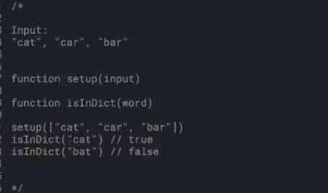
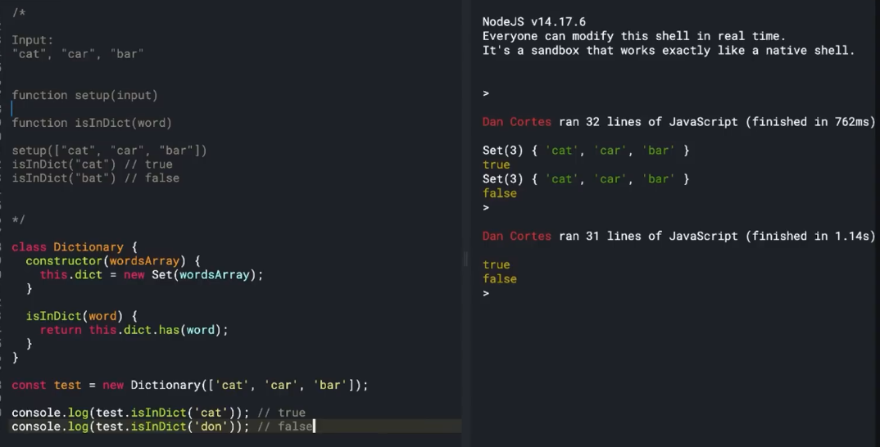
Goal is to do as much work possible in the setup function to optimize our isInDict function

 |  |  |  |  |  |  |  |  |  |  |  |  |  | Nice—this is where it really clicks. Visualize it like this 👇

 |  |  |  |  |  |  |  |  |  |  |  |  |  | 🧠 When you run:

 |  |  |  |  |  |  |  |  |  |  |  |  |  | const test = new Dictionary(["cat", "car", "bar"]);

 |  |  |  |  |  |  |  |  |  |  |  |  |  | 👉 In memory, JavaScript creates an object like:

 |  |  |  |  |  |  |  |  |  |  |  |  |  | test = {
 |  |  |  |  |  |  |  |  |  |  |  |  |  | dict: Set(3) {"cat", "car", "bar"}
 |  |  |  |  |  |  |  |  |  |  |  |  |  | }

 |  |  |  |  |  |  |  |  |  |  |  |  |  | 🔹 Step-by-step what happened:

 |  |  |  |  |  |  |  |  |  |  |  |  |  | 1. new Dictionary(...) creates an empty object first

 |  |  |  |  |  |  |  |  |  |  |  |  |  | {}

 |  |  |  |  |  |  |  |  |  |  |  |  |  | 2. The constructor runs:

 |  |  |  |  |  |  |  |  |  |  |  |  |  | this.dict = new Set(wordsArray);

 |  |  |  |  |  |  |  |  |  |  |  |  |  | 3. this = that empty object, so it becomes:

 |  |  |  |  |  |  |  |  |  |  |  |  |  | {
 |  |  |  |  |  |  |  |  |  |  |  |  |  | dict: Set(3) {"cat", "car", "bar"}
 |  |  |  |  |  |  |  |  |  |  |  |  |  | }

Prblems That we are going ot be working on right now is strings

'-----------------------------------------'Third Lecture' ------------------------------------" |  |  |  |  |  |  |  |  | FrontEnd egnineer for past 3 years. Worked on 3 companies. Last company name is …. There was more than 1.5% and integrate UI components into Frontend
Fixed position property of CSS
Takes it as absolute property
Fixed property takes the whole body as relative and then fix to the main body of the page

Difference bet fixed and relative
position: fixed – The element is positioned relative to the viewport. It stays in the same place even when you scroll the page.
position: absolute – The element is positioned relative to its nearest positioned ancestor (an ancestor with relative, absolute, or fixed). If no such ancestor exists, it’s relative to the document body. It moves when you scroll along with the page.
In short: fixed = stays on screen, absolute = moves with page unless inside a positioned parent.

In HTMLwe have different kind of tags, if we were to create a tag using MADAN. Will it give any error or will it work
Ans: | It will work like a normal tag.
If it works will it work like a span or a div
Ans : It will be inline element. It will work as a span. There are some block elements in the HTML like the div element and the p tag. By default all of the elemtns are inline elements. If you create any random tags it will be inline elements

Fixed position. It is relative to the body ort viewport ?
We have a lot of content inside body, |  |  |  | whenever the content of the elements is more than the height of the browser than the scrollbarcomes and we can scroll to specific sections within the browser
At this time the height of the body is more than the viewport height.
Fixed position is therefore relative to the viewport

Color That Shit
Will it be relative to the window in all cases ?
If a parent element has certain properties, the fixed element becomes relative to that parent instead of the viewport.
This happens when a parent has properties like:
transform
filter
perspective
will-change: transform
Example:

.parent {
transform: scale(1);
}
.child {
position: fixed;
top: 0;
}

What is the difference between inline and blick element ?
Inline element take the width as per the content of the element and block elements takes the width of the window
Here, .child will be fixed relative to .parent, not the viewport.

Feature | Block | Inline |  | <div>, <p>, <h1>, <section> |  |  | <span>, <a>, <strong>, <em>
New line | Yes | No
Width | Full width | Content width
Height/Width control | Yes | Limited
Example | div, p | span, a

Parent div = conainter. Width = 500 px |  | Child is div and so it is a block element
What is the width of the child ? |  | Therefire the width of the parent and not the viewPort Width
 |  | If it takes the viewPort width, it will go outside of the parent

The outer parent will take the viewPort width but the child will take the parent width
No → It will take its parent width which is the body. The outer parent will not take the viewport width.
It will take its parent width which is the body
Body will take its parent width which is the HTML element
Always block elemetns takes the width of its parent
and not of the view Port

Any other differences apart from this ?
between block and inline
There is a span tag or any inline element. Can we give height and width ?
Whenever we give height and width to inline elements, it will not take the heigth and width of the inline elements
We have to provide the display block to the span
Therefore inline elemtns will not take the height and width

We have a flexbox. | A div called container and we have given a flexbox on container
In the child we have 2 spans. If we give height and width on those child
Whenever we give display flex on the parent
No matter what kind of element is inside
Those become flex items and flex itrems have a display property of block and not inline
Automatically set to display block
Therefore it is not following inline properties ?

When we give display flex, it will automatically have align items from top to bottom
That is because of the align items stretuch propertiues
Flex items behave differently and we can give height and width and work like block elements

JS part
Difference between if- else and ternary operations |  |  | ?
Feature | if-else | Ternary
Type | Statement | Expression | In terbary also we can do multiple conditions |  |  |  | like if - else
Length | Longer | Shorter
Best for | Complex logic | Simple conditions
Multiple statements | Yes | No

Differnece between a statement and an expression |  |  | ?
Expression | Statement
Produces a value | Performs an action/instruction
Can be used inside other expressions | Usually stands alone
Example: 2 + 2 | Example: if (x > 5) {...}
Expression produces a value
and statemets performs an action
Expression will be evaluated to a single value andwe can store that value in a single variable
If ternay operator is there we can do.
const a = () ? '1' : '2'
we cannot do the same thing for the if and else
We cannot store the value of if else in const something
Statemetn is not evaluated into a single value

This is the fundamental difference between if elseand ternary operaoter

Shallow Copy vs Deep copy in JavaSctipt
Object and a nested object. Shallow copy will only work with the top level of the object and not the entire nested object
We we change the inner valesof the nested, it will have the same reference address to the previous variable because it will only shallow copy
But in deep copy it will change the deep copy also

How to do a shallow copy ?
Properties on level one and some even objects nested
Object.assign and the spread operator. |  |  |  |  |  |  |  |  |  |  |  |  |  | 🔹 Now when you call:
For deep copy?
DSA.parse and also in in stringify |  |  |  |  |  |  |  |  |  |  |  |  |  | test.isInDict("cat")

What are closures ? |  |  |  |  |  |  |  |  |  |  |  |  |  | JavaScript internally thinks:
Code That Shit
 |  |  |  |  |  |  |  |  |  |  |  |  |  | test.dict.has("cat")
Output based questions
console.log(a); |  |  |  |  |  |  |  |  |  |  |  |  |  | Because:
console.log(b);
let a = 5; | var a = 5; |  |  |  |  |  |  |  |  |  |  |  |  | this inside isInDict = test
This is based on the hoisting concept
We can declare but cannot access before initialization |  |  |  |  |  |  |  |  |  |  |  |  |  | so this.dict = test.dict
If we change var to let will it also give me an error ?
It will nto give undefined, it will igve us a reference error
One important thing to note here isthat undefined is a value and it is not an error

Undefined is a data type and it is a value.The let is gonna give us an error but not var |  |  |  |  |  |  |  |  |  |  |  |  |  | 🔥 Full mental model:

 |  |  |  |  |  |  |  |  |  |  |  |  |  | test
 |  |  |  |  |  |  |  |  |  |  |  |  |  | ├── dict → Set {"cat", "car", "bar"}
 |  |  |  |  |  |  |  |  |  |  |  |  |  | └── isInDict() → function
Code That Shit

var a = 5; |  |  |  |  |  |  |  |  |  |  |  |  |  | 🔹 Flow of execution:
console.log(a++); | Question number 2
console.log(a); |  |  |  |  |  |  |  |  |  |  |  |  |  | test.isInDict("cat")
What is the output ?
Normally people would think that a++ = a = a + 1 and it will give us 6 |  |  |  |  |  |  |  |  |  |  |  |  |  | ➡ goes inside method
Abd then the last one will also give us 6 because why not? It hasalready been assigned 6 and then saved |  |  |  |  |  |  |  |  |  |  |  |  |  | ➡ this becomes test
Output is 5 and then 6 |  |  |  |  |  |  |  |  |  |  |  |  |  | ➡ checks:
prefix and postfix concept
""++ is after the variable, we are not incrementing before accessign the variable |  |  |  |  |  |  |  |  |  |  |  |  |  | test.dict.has("cat")
if it was ++a then ti would be 6,6
 |  |  |  |  |  |  |  |  |  |  |  |  |  | ➡ returns true
Question number 03
Code That Shit
console.log(1<2<3);
console.log(3>2>1);
The browser will check from left to right |  |  |  |  |  |  |  |  |  |  |  |  |  | ⚡ The BIG idea:
1 < 2 is true
ture < 3 : true is 1; 1 < 3. This is also true |  |  |  |  |  |  |  |  |  |  |  |  |  | this = the object (test)
3>2>1
3>2 is true, as 3 is greater than 2 sothous is true |  |  |  |  |  |  |  |  |  |  |  |  |  | this.dict = data stored inside that object
true > 1 ? | 1 > 1 | False
First istrue and the seconds oen is false |  |  |  |  |  |  |  |  |  |  |  |  |  | constructor = sets up that data once

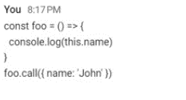
Question number 04
 |  | const foo = () => console.log(this.name); |  |  |  |  |  |  |  |  |  |  |  | methods = use that data later
 |  | foo.call({ name: "John" });
 |  | What is the output ?
 |  | Cannot read properties of undefinec(reading 'name')
 |  | t.b.c 33:32 |  |  |  |  |  |  |  |  |  |  |  | If you understand this, you’ve basically unlocked how OOP works in JavaScript. Next step would be showing you how multiple objects behave differently using the same class.

t.b.c + weaknesses
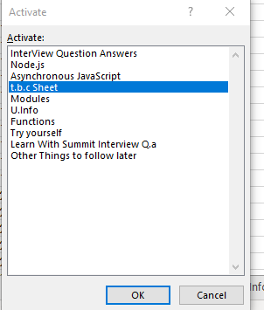
Asynchoronous JS | Interview Q. ans | Other videos to see | Your Weaknesses
Error handling. Just memorised the code | https://www.youtube.com/watch?v=B_Iup877bYg | https://www.youtube.com/watch?v=y8b1U5wYCgE | Scoping and lexicographical scoping
 | 18:24:00 |  | Hoisting concept.
 | Deep copy vs shallow copy | Find the code later | Prefix and postfix concepts
 |  |  | This keyword and constructors
 |  |  | Do a coupel of practise lectuers by yourself if you want to really understand if everything works properly

Learn With Summit Interview Q.a
Proto
Async
Ex con
Async
This
Async
Functio
Closures
 |  |  |  | Primitive vs References |  |  | Do this for 100 minutes
Weird Question answers from JavaScript |  |  |  | https://www.youtube.com/watch?v=vK8fnE_-NI0 |  |  |  |  |  |  |  |  |  |  |  |  |  |  |  |  |  |  |  |  |  |  | Hoisting |  |  | In other words, || returns the first truthy value, or the last value if none are truthy.
 |  | console.log([1, 2] + [3, 4]); |  |  |  |  |  |  |  |  |  |  |  |  |  |  |  |  |  |  |  |  |  |  |  |  | Closure
Scoping
Hoisting
Variable life cycle
 |  | gives |  |  |  |  |  |  |  |  |  |  |  |  |  |  |  |  |  |  |  |  |  |  |  |  |  |  |  | Functions with default parameters
 |  | "1,23,4" |  | let a = 5 |  |  |  |  |  |  |  |  |  |  |  |  |  |  |  |  |  |  |  |  |  |  |  |  |  | Enchanced object literal syntax
 |  |  |  | let b = a |  |  |  |  |  |  |  |  |  |  |  |  |  |  |  |  |  |  |  |  |  |  |  |  |  | Short circuitting and using it to implement default parameters
Not an emptry string but simply blank |  |  |  |  |  |  |  |  |  |  |  |  |  |  |  |  |  |  |  |  |  |  |  |  |  |  |  |  |  | Arguemtns pass by value vs pass by reference
One is arithmetic add and the other is string concat |  |  |  | a = 6 |  |  |  |  |  |  |  |  |  |  |  |  |  |  |  |  |  |  |  |  |  |  |  |  |  | first class functions and higher order functions
TypeCasting and Type Coersion. Typecast and convert this into string |  |  |  |  |  | cl(a,b) |  |  |  |  |  |  |  |  |  |  |  |  |  |  |  |  |  |  |  |  |  |  |  | first clas citizens
 |  |  |  |  |  |  |  |  |  |  |  |  |  |  |  |  |  |  |  |  |  |  |  |  |  |  |  |  |  | function currying example
 |  |  |  | output: a remains 6 and b remains 5
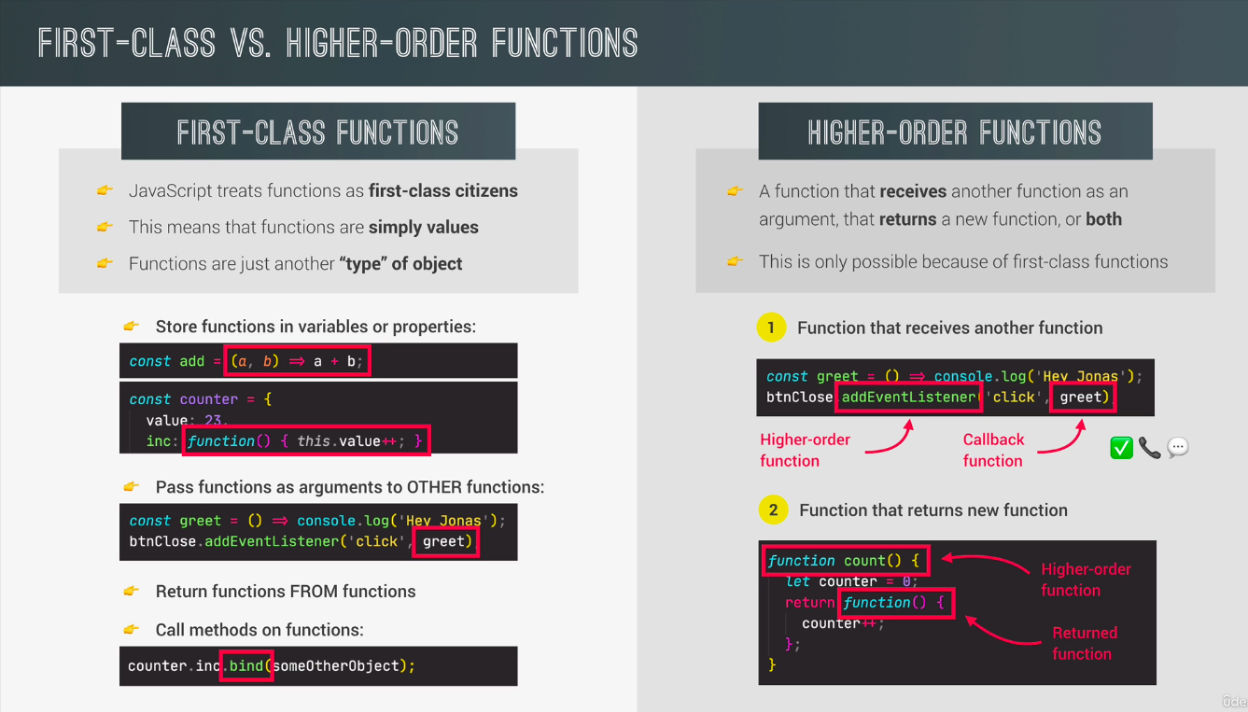
 |  | {} + {};
 |  | "[object Object]" + "[object Object]" |  | why does this happen ?
 |  | "[object Object][object Object]" |  | a was changed later, and but the output of b remains the same |  |  |  |  |  |  |  |  |  |  | https://www.youtube.com/watch?v=uZqyRJkTQog
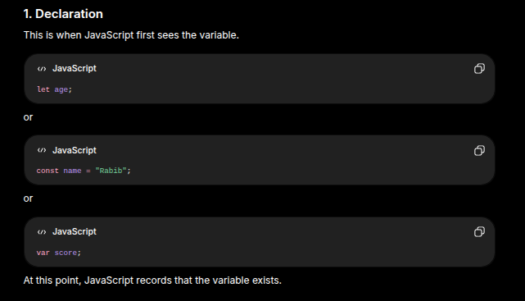
Blank object and a blank array |  |  |  |  |  |  |  |  |  |  |  |  |  |  | First let us forget about programming in general |  |  |  |  |  |  |  |  |  |  |  |  |  |  |  |  |  |  |  |  |  |  |  | 1. Declaration
This case the blank object is coerced into object Object and the array is coerced into blank string |  |  |  | var a = { |  |  |  |  |  |  |  |  |  |  | I love hthis way ofthinking |  |  |  |  | This is a prototype related language |  | https://www.youtube.com/watch?v=IUBd76UQb34 | Interpretation vs Compilation |  |  |  |  |  |  |  |  |  |  |  |  |  |  |  | ↓
Adding them together would give object Object |  |  |  | name: "Sakib" |  |  |  |  |  |  |  |  |  |  |  |  |  |  |  |  |  |  |  |  |  |  |  |  |  |  |  |  |  |  |  |  |  |  | 2. Hoisting
String({})=[object Object] |  |  |  | } |  |  |  |  |  |  |  |  |  |  | Basar address hocche 15 js road |  |  |  |  | Js k onek tuccho kore dekha hoito ager theke. |  |  | Interpretation: |  |  |  |  | It is useful to use functions where some parameters are sert by default |  |  |  | JS’s default behaivour |  |  |  |  |  |  | ↓
cl(true + 5) = 6 |  |  |  | var b = a |  |  |  |  |  |  |  |  |  |  | and the wifeis telling the husband to color this house |  |  |  | This is one of the most popular language right now |  |  |  |  |  |  |  |  | We do not pass them in manually in case we don’t want to change the default |  |  |  | declaration and definition is a different thing |  |  |  |  |  |  | 3. Initialization
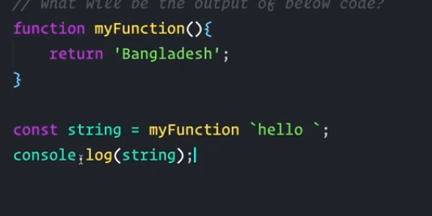
 |  | ({}).toString(); |  | a.name = "Tamim" |  |  |  |  |  |  |  |  |  |  | This wife istellign the husband to color this house, she is usinghte this keyword and not |  |  |  | Khub valo UX client expect kore |  |  |  |  |  |  |  |  |  |  |  |  | var a and let a = these are declarations |  |  |  |  |  |  | ↓
 |  | Object.prototype.toString |  | cl.a |  |  |  |  |  |  |  |  |  |  | She is not stating the entire addresswhen she is asking for the entire thing |  |  |  |  |  |  |  |  |  |  |  |  | No time to note and code at the same time: |  |  |  |  |  |  |  |  |  |  | 4. Usage
 |  | Object.prototype.toString.call(obj); |  | cl.b |  |  |  |  |  |  |  |  |  |  | entire address of the hiouse because they are already in the house |  |  |  |  |  |  |  |  |  |  |  |  | Im am going to leverage w3 Resources section for this |  |  |  | IN JS a variable can be declared after it has been used |  |  |  |  |  |  | ↓
 |  | "[object Object]" |  |  |  |  |  |  |  |  |  |  |  |  |  |  |  |  | Foundation of JS is prototype |  |  |  |  |  |  |  |  |  |  |  |  | In other words a variable can be used before it has been declared |  |  |  |  |  |  | 5. Scope Ends
 |  | "[object Type]" |  | output : a : tamim, b: tamim |  |  | This is unexpected ,, behaving |  |  |  |  |  |  |  | JS is exact the same |  |  |  |  |  |  |  |  |  |  |  |  | Coding + memorising + noting => Bullshit Approach |  |  |  |  |  |  |  |  |  |  | ↓
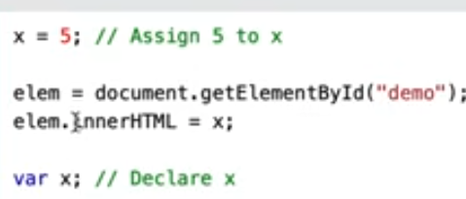
 |  |  |  |  |  |  | different to primitives whose values remained s |  |  |  |  |  |  |  | There are no addresses, there are scopes and contexts, inside scopes and outside scores |  |  |  | Everything in JS is a |  | an object, function itself is an object |  |  |  |  |  |  |  |  |  |  |  |  |  |  |  |  |  | 6. Garbage Collection
 |  | Object.prototype.toString.call({}); |  | B is not sakib |  |  | same |  |  |  |  |  |  |  | There is no difference between that and reality |  |  |  |  |  |  |  |  |  |  |  |  | https://www.w3schools.com/js/js_function_advanced.asp
 |  | // "[object Object]" |  | B was supposed to be Sakib |  |  |  |  |  |  |  |  |  |  |  |  |  |  | Prototype hocche function er builtin property jeita Js amaderk dei
 |  |  |  | Changing a Changed b as well. This is unexpected output |  |  |  |  |  |  |  |  |  |  |  |  |  |  | and oitar moddhe ja share kore proyojon jeita commoin sheita amra rekhe dite pari |  |  |  |  |  |  |  |  | However, I do need to put in a keywords so that I know what it is that I need to revise |  |  |  |  |  |  |  |  |  |  |  |  |  |  |  |  |  |  |  |  |  |  |  |  | `
 |  | Object.prototype.toString.call([]); |  | 3
 |  | // "[object Array]" |  | var a = [ "Tamim","Sakib"] |  |  |  |  |  |  |  |  |  |  |  |  |  |  | https://www.youtube.com/watch?v=93Styj1K9fY |  |  |  |  |  |  |  |  | Functions with default parameters
 |  |  |  | var b = a |  |  |  |  |  |  |  |  |  |  |  |  |  |  | t.b.c : new |  |  |  |  |  |  |  |  | Enchanced object literal syntax
 |  | Object.prototype.toString.call(new Date()); |  | a.push("Mahmadullah") |  |  |  |  |  |  |  |  |  |  | Why do we use the this keyword in JS ? |  |  |  |  |  |  |  |  |  |  |  |  | Short circuitting and using it to implement default parameters |  |  |  |  |  |  |  |  |  |  |  |  | Understanding closures through the use of this function
 |  | // "[object Date]" |  | cl(a,b) |  |  |  |  |  |  |  |  |  |  | Why it exists |  |  |  | Function er property jeigula JS amader k dei, oikhane jeigula common sheigula rekhe dite pari
myFunction takes the first argument as hello |  |  |  | output: |  |  | Same behaviour for objects as arrays |  |  |  |  |  |  |  | Allows to use the functions in different contexts |  |  |  |  |  |  |  | Js right now is just in time compilation |  |  |  |  | Default values can also have expressions | Also be set according to the previous arguemnt passed into that exp
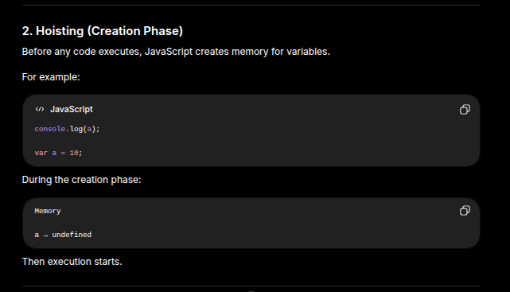
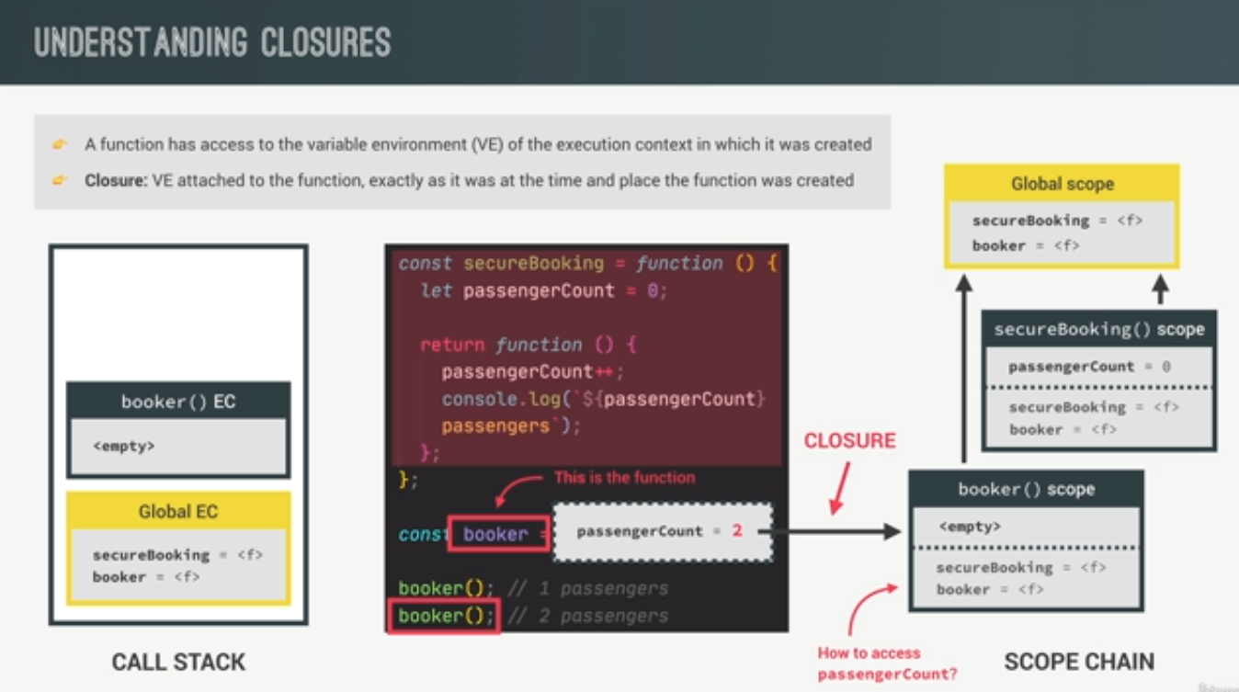
but insidethe funtion there is only the return parameter |  | Object.prototype.toString.call(/abc/); |  | a = Has all three names |  |  | Different to Strings and numbers |  |  |  |  |  |  |  |  |  |  |  | How to create a constructor function? |  |  |  | Easier to debuf as the code is executed line by line |  |  |  |  | const createBookings = function ( | const createBookings = function (
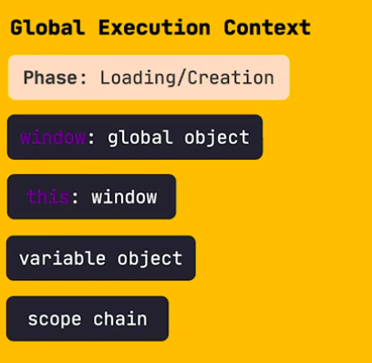
Inside cl there the string is passed as a calback Function |  | // "[object RegExp]" |  | b = Also has all three names |  |  |  |  |  |  |  |  |  |  | Where do we use the this keywords ? |  |  |  | Ei function tar maddhome ekta object construct kortesi |  |  |  |  |  |  | First e eita hoi |  | flightNum, | flightNum, |  |  | This works in JS.

Will only return Bangladesh |  |  |  |  |  |  |  |  |  |  |  |  |  |  | Implicit binding |  |  |  | All functions are by default constructor function Write in capitals |  |  |  |  |  |  | Second e eita hoi |  | numPassengers = 1, | numPassengers = 2,
Tagged template literal = Will be passed as argument of the function |  | const person = { |  | Here it is showing the same behaivour as before |  |  |  |  |  |  |  |  |  |  | Explicit binding |  |  |  |  |  |  |  |  |  |  |  |  | price = 199 * 1.5, | price = 199 * numPassengers, |  |  | variables defined with let and const are hoisted to the top of the block but not initialized
Arguments : Built-In array like object that holds all of the arguments of a functtion |  | name: "Rabib", |  | The same code behaves differently for objects and arrays and differently |  |  |  |  |  |  |  |  |  |  | new binding |  |  |  | Constructor er moddhe method kivabe add kora lage amra oita janlam |  |  |  |  |  |  |  |  | ) { | ) {
cl Arguments = will get hellop |  | toString() { |  | When it is an object or an array |  |  |  |  |  |  |  |  |  |  | and window binding. These are the places where we use the thiskeyword |  |  |  |  |  |  |  |  |  |  |  |  | // ugly format before ES6 -> es5 way of doing it | // ugly format before ES6 -> es5 way of doing it

 |  | return `Hello, I'm ${this.name}`; |  | This is because, they are different data types |  |  |  |  |  |  |  |  |  |  |  |  |  |  |  |  |  |  |  |  |  |  |  | // numPassengers = numPassengers || 1; | // numPassengers = numPassengers || 1; |  |  | X = 5; |  |  | X = 5 | eikhane upore uthlo na kano ? Why did it not go up ?
 |  | } |  | Primitive data types and primitive values |  |  |  |  |  |  |  |  |  |  | var printPlayerName = function (name) { |  |  |  |  |  |  |  |  |  |  |  |  | // price = price || 199; | // price = price || 199; |  |  | cl.x |  |  | cl.x | this is different for let and var
 |  | }; |  | referece type and reference values |  |  |  |  |  |  |  |  |  |  | console.log(name) |  |  |  |  |  |  |  |  |  |  |  |  |  |  |  |  | var x |  |  | let x; | var and let are hoisted differnetly in js
 |  |  |  |  |  |  |  |  |  |  |  |  |  |  | } |  |  |  |  |  |  |  |  |  |  |  |  | const booking = { | const booking = {
 |  | console.log(String(person)); |  |  |  |  |  |  |  |  |  |  |  |  |  |  |  |  |  |  |  |  |  |  |  |  |  | flightNum, | flightNum, |  |  | Output : 9 |  |  | This will give a reference error
 |  |  |  |  |  |  |  |  |  |  |  |  |  |  | What is theoutput of this function ? |  |  |  |  |  |  |  |  |  |  | eita topic object |  | numPassengers, | numPassengers,
 |  |  |  |  |  |  |  |  |  |  |  |  |  |  | Since we did not call the funciton or call the name |  |  |  |  |  |  |  |  |  |  | memory te jaiga create hoi eita diye |  | price, | price, |  |  | In this version |  |  | In this case

 |  | Now JavaScript no longer uses Object.prototype.toString(), because your object has its own toString() method, which takes precedence over the one inherited from the prototype. | 1 |  |  |  |  |  |  |  |  |  |  |  | If we cannot call the function we do not now the output of the function |  |  |  |  |  |  |  |  |  |  |  |  | }; | }; |  |  | JS hoists the var x |  |  | this also gets hoisted but here x = undefined part is skipped
 |  |  |  |  |  |  |  |  |  |  |  |  |  |  |  |  |  |  |  |  |  |  |  |  |  |  |  |  |  |  |  | then sets x = undefined; |  |  | it does not have the space in memory to assign the value x
Code That Shit!!
 |  | const obj = {}; |  |  |  |  |  |  |  |  |  |  |  |  |  |  |  |  |  |  |  |  |  |  |  |  |  | console.log(booking); | console.log(booking); |  |  |  |  |  | It cannot refernce that address in memory

 |  |  |  |  |  |  |  |  |  |  |  |  |  |  | var printPlayerName = function (name) { |  |  |  |  |  |  |  |  |  |  |  |  | bookings.push(booking); | bookings.push(booking); |  |  |  |  |  | Even const behaves the same; this undefined assignment is not done in this casxe alsoe
 |  | console.log(obj.toString === Object.prototype.toString); |  |  |  |  |  |  |  |  |  |  |  |  | console.log(name) |  |  |  |  |  |  |  |  |  |  |  |  | }; | };
 |  | TRUE |  |  |  |  |  |  |  |  |  |  |  |  | } |  |  |  |  |  |  |  |  |  |  |  |  |  |  |  |  | In interview: \
 |  |  |  |  |  |  |  |  |  |  |  |  |  |  | printPlayerNaame("Sakib") |  |  |  |  |  |  |  |  |  |  |  |  |  | createBookings("L123H"); |  |  | If the question is asked is let and var hoisted ?

 |  | const obj = { |  |  |  |  |  |  |  |  |  |  |  |  |  |  |  |  |  |  |  |  |  |  |  |  |  |  | createBookings("L123A4V", 2, 850); |  |  | The answer should be yes both of them are hoisted but one has an intermediate step which assigns undefined to the variable and the other does not
 |  | toString() { |  |  |  |  |  |  |  |  |  |  |  |  | Now we know what the output of the function would be |  |  |  |  |  |  |  |  |  |  |  |  |  | createBookings("L123A4V4E");
 |  | return "Hello!"; |  |  |  |  |  |  |  |  |  |  |  |  | If we call the function oly then we know the otput |  |  |  |  |  |  |  |  |  |  |  |  |  |  |  |  | Let and Const → in memory it does not assign undefined to the variable and so we get the error reference error
 |  | }, |  |  |  |  |  |  |  |  |  |  |  |  | In order to find out the root of "this" we need to know from where the funciton has been called from |  |  |  |  |  |  |  |  |  |  |  |  |  |  |  |  | The time on which let x is defined but does not assign any space in memory is known as the temporal dead zone
 |  | };
 |  |  |  |  |  |  |  |  |  |  |  |  |  |  | Implicit binding |  |  |  |  |  |  |  |  |  |  |  |  | How to skip the second parameter |  |  |  | Memory te dead. Temporarily dead
 |  | console.log(obj.hasOwnProperty("toString")); |  |  |  |  |  |  |  |  |  |  |  |  | var Sakib = {
 |  | TRUE |  |  |  |  |  |  |  |  |  |  |  | Accidental global variable | name: " Sakib Chowdhury", |  |  |  |  |  |  |  | Loading state and execution state
 |  |  |  |  |  |  |  |  |  |  |  |  |  | Automatic global variable | age: "35", |  |  |  |  |  |  |  | Loading state e var topic : undefined and getTopic: fn()
 |  |  |  |  |  |  |  |  |  |  |  |  |  |  | printPlayerName: function (name) {

 |  |  |  |  |  |  |  |  |  |  |  |  |  |  | console.log(name);
 |  |  |  |  |  |  |  |  |  |  |  |  |  |  | }, |  |  |  |  |  |  |  |  |  |  |  |  |  |  |  |  | The samne behaivour reoccurs when it beijng done in case of a function |  |  |  |  | f

 |  |  |  |  |  |  |  |  |  |  |  |  |  |  | }; |  |  |  |  |  |  |  |  |  |  |  |  |  |  |  |  |  |  |  |  |  | It will get hoisted but it will be inj a temporaldead zone
 | Next video to watch |  |  |  |  |  |  |  |  |  |  |  |  |  |  |  |  |  |  |  |  |  |  |  |  |  |  |  |  |  |  |  |  |  |  |  | Will give a reference error here as well |  |  | 1 | Before we start runnung the secure booking function right here, our code is running in the global execution context
 | Prototype Video |  |  |  |  |  |  |  |  |  |  |  |  |  | Whenever we are inside the function, it is like that husband's house. We are already inside the |  |  |  |  |  |  |  |  |  |  |  |  |  |  |  |  |  |  |  |  |  |  |  |  |  | we only have securebooking = <f>
 |  |  |  |  |  |  |  |  |  |  |  |  |  |  | house |  |  |  |  |  |  |  |  |  |  |  |  |  |  |  |  |  |  |  |  |  |  |  |  |  | Therefore the global scope now contains the secure booking
 |  |  |  |  |  |  |  |  |  |  |  |  |  |  | Instead of using the name variable again, we just type |  |  |  |  |  |  |  |  |  |  |  |  |  |  |  |  |  |  |  |  |  |  |  |  | 2 | Then when the securebooking is actually executed, a new execution context is put on top of the execution stack

 |  |  |  |  |  |  |  |  |  |  |  |  |  |  | var Sakib = { |  |  |  |  |  |  |  |  |  |  |  |  |  |  |  |  |  |  |  |  |  |  |  |  | 2.5 | Execution contexts remain in execution stack

 |  |  |  |  |  |  |  |  |  |  |  |  |  |  | name: " Sakib Chowdhury", |  |  |  |  |  |  |  |  |  |  |  |  |  |  |  |  |  |  |  |  |  |  |  |  | 2.75 | We also know that each execution context has a variable environment which contains all of its local variables . In this case passenger count = 0
Code That Shit!!
 |  |  |  |  |  |  |  |  |  |  |  |  |  |  | age: "35", |  |  |  |  |  |  |  |  |  |  |  |  |  |  |  |  |  |  |  |  |  |  |  |  | 2.875 | This passenger count is also the scope of this function ???
 |  |  |  | All obejctsin javaScript comes form the master object |  |  |  |  |  |  |  |  |  |  | printPlayerName: function () { |  |  |  |  |  |  |  |  |  |  |  |  |  |  |  |  |  |  |  |  |  |  |  |  | 3 | Scope chain of this exec ution context looks like this
 |  |  |  | All reference valuesin JS comes from a master object |  |  |  |  |  |  |  |  |  |  | console.log(this.name); |  |  |  |  |  |  |  |  |  |  |  |  |  |  |  |  |  |  |  |  |  |  |  |  |  | passengerCount is the local scope and it also gets access to all ofv the varialbes of its parent scope |  |  |  |  |  |  |  |  | In this case just the global scope
 |  |  |  | primitive values has no relationships with reference values |  |  |  |  |  |  |  |  |  |  | }, |  |  |  |  |  |  |  |  |  |  |  |  |  |  |  |  |  |  |  |  |  |  |  |  | 4 | New function is returned and it will be stored in the booker varaible
 |  |  |  |  |  |  |  |  |  |  |  |  |  |  | }; sakib.printPlayerName(); |  |  |  |  |  |  |  | Ei khetre cl.topic output dibe undefined as it was put to be undefined in the loading state |  |  |  |  |  |  |  |  |  |  |  |  |  |  |  |  | 5 | What happens when the secure booking function returns |  |  |  |  | It’s executoon context pops off the stack and disappears |  |  |  |  |  | secureBooking() done its job and finished execution
 |  |  |  | categorization is done basedon the bahaviour it has in memory |  |  |  |  |  |  |  |  |  |  | Tar mane amar nijer name |  |  |  |  |  |  |  | This : pointed to window at first |  |  |  |  |  |  |  |  |  |  |  |  |  |  |  |  | 6 | It is important to note that the execution context of the securebooking() disappeears. The varaible containing passengerCopunt is still stored in memory
 |  |  |  | Why changing one affects the other in memory |  |  |  |  |  |  |  |  |  |  | But here the keyword is confusing and when we write big programs where is the this |  |  |  | Third hocche parent er property theke child er property te kivabe niye aste pari object.create diye |  |  |  |  |  |  |  |  |  |  |  |  |  |  |  |  |  |  |  |  | 6.5 | This varaible environemnt hjas been transferred in the heap in this case
 |  |  |  | reference valuesort object values because they come from the master object |  |  |  |  |  |  |  |  |  |  | avtually geing pointed to ? |  |  |  |  |  |  |  | Function execution context |  |  |  |  |  |  |  |  |  |  |  |  |  |  |  |  | 7 | EC gone, passengerCount is still living on the engines memory v8
 |  |  |  |  |  |  |  |  |  |  |  |  |  |  | When we are calling this function where is the this ppointingf to ? |  |  |  | Instead of this we can also do trhis |  |  |  | is created only when a function is called
 |  |  |  | Primitive values are stored as a stack in the memory |  |  |  |  |  |  |  |  |  |  |  |  |  |  |  |  |  |  | Function define korar sathe sathe parameter ba argument toiri kore |  |  | er jonno object create kore |  |  |  |  |  |  |  |  |  |  |  |  |  | 11 | Calling the booker function 3 times we get 3 passengers
 |  |  |  | Referene values are kept as a heap in the memory |  |  |  |  |  |  |  |  |  |  | For implicit binding we have to be looking at two things |  |  |  |  |  |  |  | cl.arguments dile oigula amra pabo |  |  |  |  |  |  |  |  |  |  |  |  |  |  |  |  |  | booker function was infact able to increment the passenger count to 1 2 3

 |  |  |  |  |  |  |  |  |  |  |  |  |  |  | Where the function was called ? |  |  |  |  |  |  |  | then this name ekta object create korboe |  |  |  |  |  |  |  |  |  |  |  |  |  |  |  |  |  | Now if we think about this how is it possible ? |  |  |  | Even when the secureBooking() has already finished executing ??
 |  |  |  | Stack has a limited space in stack |  |  |  |  |  |  |  |  |  |  | at line 14 |  |  |  |  |  |  |  | function and variable er jonno jaiga toiri korbe |  |  |  |  |  |  |  |  |  |  |  |  |  |  |  |  | 12 | The function is gone. The EC is no longer on the stack. The innerfunction is still able to access the passengerCount variable of the secureBooking(0 function that is no longer available
Code That Shit!!
 |  |  |  | title = "JavaScript " |  |  | Stays in stack, low memory |  |  |  |  |  |  |  | Then we look at whether there are any dot notations to the left fo the function where it was called? |  |  |  |  |  |  |  | variable er value undefiend boshai dibe, jei karone she hoisting ta hobe arki |  |  |  |  |  |  |  |  |  |  |  |  |  |  |  |  |  | Closure →
 |  |  |  | Title variable. "JavaScript" |  |  |  |  |  |  |  |  |  |  | In this case yes |  |  |  |  |  |  |  |  |  |  |  |  |  |  |  |  |  |  |  |  |  |  |  |  | 13 | the booker function is a funcction that simply exists in the global enviromenrtt |  |  |  |  |  |  | or in the global scope
 |  |  |  | Nam dei memory te jaigate value ta ase oi jaigaitar |  |  |  |  |  |  |  |  |  |  | Tar mane j dot er left e jei object ta ase oita hocche this er notation. |  |  |  |  |  |  |  | Rakhar jaiga ektai, karon thread ekta. Execution stack |  |  |  |  |  |  |  |  |  |  |  |  |  |  |  |  |  | The environment is no longer active. Booker function continues to have access to the variable at the time the function was created and in this particular the passengerCount variable

 |  |  |  | nam, oi memory address er reference point er naam hocche title. Oitar value is JS |  |  |  |  |  |  |  |  |  |  |  |  |  |  |  |  |  |  | Stack akare ek ekta function call and variables |  |  |  |  |  |  |  |  |  |  |  |  |  |  |  |  | 14 | CLOSURE → makes a functioon remember all of the variables at the functions birthplace secureBooking isw the birthplace of the booker funciton
 |  |  |  |  |  |  |  |  |  |  |  |  |  |  |  |  |  |  |  |  |  |  |  |  |  |  |  |  |  |  |  |  |  |  |  |  |  |  |  |  | This remmeber s everything at its birthplace by the time it was created

 |  |  |  | When we call title. It gives us the value of title that |  |  |  |  |  |  |  |  |  |  |  |  |  |  |  |  |  |  | ` |  |  |  |  |  |  |  |  |  |  |  |  |  |  |  |  | 15 | How it works ? After secureBooking and the VaraibleEnvironment of the passengerCount has executred it was popped off from the call stack. This env that contains the passenger Count variable still
 |  |  |  | is in memory. In otherWords those hexaDecimal |  |  |  |  |  |  |  |  |  |  |  |  |  |  |  |  |  |  |  |  |  |  |  |  |  |  |  |  |  |  |  |  |  |  |  |  | stored in memory ?? Why is that ?? Garbage collections should destry it right ??


 |  |  |  | Codes |  |  |  |  |  |  |  |  |  |  |  |  |  |  |  |  |  |  |  |  |  |  |  |  |  |  |  |  |  |  |  |  |  |  |  |  | Tjhat is usually the case . There is one exception and that is the existence of a closure
 |  |  |  |  |  |  |  |  |  |  |  |  |  |  |  |  |  |  | We can make our lives a lot simpler, new keyword na dile amader difference ta ki hobe ?? |  |  |  |  |  |  |  |  |  |  |  |  |  |  |  |  |  |  |  |  | 16 | An object that is reachable by closure cannot be garbage collected |  |  |  |  |  | This will stay in the heap indefinetly |  |  |  | This applies to objects in the heap and the |  | variable environments that are stored in the stack as long as they are reachable by a closure
 |  |  |  | name = title |  |  |  |  |  |  |  |  |  |  |  |  |  |  |  |  |  |  |  |  |  |  |  |  |  |  |  |  |  |  |  |  |  |  |  | 17 | passesengerCount still exists becausxe it is reachable b a closure |  |  |  |  |  | Thai is the only reason otherwise it will be gone


 |  |  |  | Title er value JS oita copy kore memory ar ekta slot
 |  |  |  | e rakhe. Duitar value same but they are kept in |  |  |  |  |  |  |  |  |  |  |  |  |  |  |  |  |  |  |  |  |  |  |  |  |  |  |  |  |  |  |  |  |  |  |  | 21 | v8 engine moved it to heap. VE was moved to the heap where it can stay frever ad cannot be garbage collected
 |  |  |  | diffeerent places. Therefore Name is pointing to a diff |  |  |  |  |  |  |  |  |  |  |  |  |  |  |  |  |  |  |  |  |  |  |  |  |  |  |  |  |  |  |  |  |  |  |  | 22 | memory and garbage collection work playu an essential work her |  |  |  |  |  | In this lecture would vcome together
 |  |  |  | place in memory that also has the value of JS |  |  |  |  |  |  |  |  |  |  |  |  |  |  |  |  |  |  |  |  |  |  |  |  |  |  |  |  |  |  |  |  |  |  |  | 23 | Each time we run booker() which is located in the global scope
 |  |  |  |  |  |  |  |  |  |  |  |  |  |  |  |  |  |  |  |  |  |  |  |  |  |  |  |  |  |  |  |  |  |  |  |  |  |  |  | 24 | when we run booker() |  | A new execution context is put on top of the call stack |  |  |  |  |  | and the variable ev is empty as there was no variables declared in this funcitom

 |  |  |  | Each time we assign a value using an equal operator and aprimitive data type |  |  |  |  |  |  |  |  |  |  |  |  |  |  |  |  |  |  |  |  |  |  |  |  |  |  |  |  |  |  |  |  |  |  |  | 24.5 | Scope chain → since the booker is in the global execution context, it is simply a child scope of the global scope.
 |  |  |  | they will also havea different palce in memorty |  |  |  |  |  |  |  |  |  |  |  |  |  |  |  |  |  |  |  |  |  |  |  |  |  |  |  |  |  |  |  |  |  |  |  | 25 | How will the booker function access the passengerCount ? |  |  |  |  | This will now give us the magic of closure. We already know that the closure exists because we asaw it in our code
 |  |  |  |  |  |  |  |  |  |  |  |  |  |  |  |  |  |  |  |  |  |  |  |  |  |  |  |  |  |  |  |  |  |  |  |  |  |  |  | 26 | An object that is reachable by closure cannot be garbage collected |  |  |  |  | of the execution context of which the function was created. In the case of booker

 |  |  |  | person = {name: "Sakib", age: 35} |  |  |  |  |  |  |  |  |  |  | This is the concept of implicit binding |  |  |  |  |  |  |  |  |  |  |  |  |  |  |  |  |  |  |  |  |  |  |  |  | 27 | It was created so it was born in the execution context of secure booking which we popped off the stack
 |  |  |  | This will nt be kept in a astrack daat structure |  |  |  |  |  |  |  |  |  |  |  |  |  |  |  |  |  |  |  |  |  |  |  |  |  |  |  |  |  |  |  |  |  |  |  |  | The booker function will get access to this variable environment
 |  |  |  | This is kept as a heap. Heap is a random space in memory. Nijer subhidar |  |  |  |  |  |  |  |  |  |  | const printPlayerNameFunct = function (obj) { |  |  | prothome amra dekhbo call ta kothai hoise |  |  |  |  |  |  |  |  |  |  |  |  |  |  |  |  |  |  |  |  |  |  |  |  |  |  |  |  | which contains the passenger count variable
Code That Shit!!
 |  |  |  | Moto eita place kore |  |  |  |  |  |  |  |  |  |  | obj.printPlayerName = function () { |  |  | called at line 126 in this case |  |  |  |  |  |  |  |  |  |  |  |  |  |  |  |  |  |  |  |  |  |  |  |  |  |  |  |  | So that is the magicv tricj
 |  |  |  | Even stack has a play here. The address of the memory that has the value for |  |  |  |  |  |  |  |  |  |  | console.log(this.name); |  |  | then we look at whether there is dot

 |  |  |  | name and age. A referencePointer to that value is stored in a stack |  |  |  |  |  |  |  |  |  |  | }; |  |  | then we see that there is dot notation
 |  |  |  | player = person. |  |  |  |  |  |  |  |  |  |  | }; |  |  | on the left of dot, we see what lies ?
 |  |  |  | Notun value toiri korbe thig e, but the pointer will point to the same space in |  |  |  |  |  |  |  |  |  |  |  |  |  | There it is sakib
 |  |  |  | memory |  |  |  |  |  |  |  |  |  |  | const sakib = {
 |  |  |  | person.name = Tamim |  |  |  |  |  |  |  |  |  |  | name: "Sakib Chowdhury", |  |  | Does the object that "this" is pointing to
 |  |  |  | Mutate or update the array or object. |  |  |  |  |  |  |  |  |  |  | age: "35", |  |  | have a nameproperty ?
 |  |  |  | player = person is assignment |  |  |  |  |  |  |  |  |  |  | }; |  |  | Yes it does |  |  |  |  | eitar o ekta loading and ekta creation phase thakbe |  |  |  |  |  |  |  |  |  |  |  |  |  |  |  |  | 31 | tjis is how the booker function will be able to read and manipulate the passenger count varialbe |  |  |  |  |  |  |  |  | This connection is what we call the closure
 |  |  |  | person.name = Tamim |  |  |  |  |  |  |  |  |  |  |  |  |  |  |  |  |  |  | arguments naam e object thakbe |  |  |  |  |  |  |  |  |  |  |  |  |  |  |  |  | 32 | A function aslways has access to the variable environment of the execution context in which it was created even if it was popped of from the call stack

 |  |  |  | This will mutate the value in memory |  |  |  |  |  |  |  |  |  |  | const tamim = { |  |  | Thereofre we get the name of sakib and |  |  |  |  | This : pointed to window at first |  |  |  |  |  |  |  |  | This will not give reference error, it will give syntax error |  |  |  |  |  |  |  | 33 | Closure → | Variable environment attached to the function exactly as it was at the time and place the function was created
 |  |  |  | This mutation does not have when this is a primitive data type |  |  |  |  |  |  |  |  |  |  | name: "Tamim Ikbal", |  |  | tamim |  |  |  |  |  |  |  |  |  |  |  |  |  |  |  |  |  |  |  |  |  | Summary | Mechanism behind closure : That thebooker function has access to the pasenger coutne varialbe because it is defined in the scope of the booker function it was created
 |  |  |  | If we call player. |  |  |  |  |  |  |  |  |  |  | age: "35", |  |  |  |  |  |  |  |  |  |  |  |  |  |  |  |  | Js only hoists declarations and not initializations |  |  |  |  |  |  |  |  | scoe chain is preserved through closure even if the scope is destroyed
 |  |  |  | cl(player) |  |  |  |  |  |  |  |  |  |  | }; |  |  | Object jodi bahirer theke pass kore dei, shei |  |  |  |  | Execution stack |  |  |  |  |  |  |  |  |  |  |  |  |  |  |  |  |  | Its execution context gone
 |  |  |  | Output : Gives Tamim |  |  |  |  |  |  |  |  |  |  |  |  |  | object diye inner function call kori |  |  |  |  | last e je ashe oita first e out hoi |  |  |  |  |  |  |  |  | var x = 7 | Declared and initialized |  |  |  |  |  |  | 34 | Variable env lives on the engine
 |  |  |  | However, |  |  |  |  |  |  |  |  |  |  | printPlayerName(sakib); |  |  | taileo shei object k thisrepresent korte pare |  |  |  |  |  |  |  |  |  |  |  |  |  |  |  |  |  |  |  | This will become thios |  | 35 | booker gunction lcosed pver its |  |  | parnet scope or its parent varaible env. And also all function arguments


 |  |  |  | person = {} |  |  |  |  |  |  |  |  |  |  | printPlayerName(tamim); |  |  |  |  |  |  |  | t.b.c : 39:23 | Connecting how console.log() | a+b | Gives 7 |  |  |  |  |  |  |  |  |  |  |  |  |  | 36 | This stays with the function forever and can be used forever
 |  |  |  | This is not a mutation |  |  |  |  |  |  |  |  |  |  |  |  |  |  | new keyword ta dile JS amaderke eita diye dicche and ei duiline amader ke dite hobena |  |  |  |  |  |  |  |  |  |  |  |  |  |  |  |  |  |  |  |  | 37 | Thanks to closure a function does not loose access to variables at the time the function was created ir in other words the functions birth place

 |  |  |  | We are assigning something to a person. |  |  |  |  |  |  |  |  |  |  | sakib.printPlayerName();

 |  |  |  | No mutation here. Will create a different object |  |  |  |  |  |  |  |  |  |  | tamim.printPlayerName(); |  |  |  |  |  |  |  |  |  |  |  |  |  |  |  |  |  |  |  |  |  |  |  |  | 41 | the passengerCOutnt is not in the current scope and so JS will immediately look into the closiure if it can find the vartiable there
 |  |  |  | Will have a different place in memory |  |  |  |  |  |  |  |  |  |  |  |  |  |  |  |  |  |  |  |  |  |  |  |  |  |  |  |  |  |  |  |  |  |  |  | 42 | Running this function, the passenger count becomes logged and the executionj context is pooped of the stack. Temember theis is the firtst execution context when the first time the booker() was calle d
 |  |  |  | Pointer will point to this different place in memory |  |  |  |  |  |  |  |  |  |  | Implicit binding |  |  |  |  |  |  |  |  |  |  |  |  |  |  |  |  |  |  |  |  |  |  |  |  |  | Then we get a new function and a new execution context and the closure is stil there |  |  |  |  |  |  | attached to the function and the value is 1
 |  |  |  |  |  |  |  |  |  |  |  |  |  |  | 1> Call hoise this kothai oita khujte hobe |  |  |  |  |  |  |  |  |  |  |  |  |  |  |  |  |  |  |  |  |  |  |  |  | 43 | then the increment → this funciton exectes and increases the passenger count to 2 and logging a message |  |  |  |  |  |  |  |  | again

 |  |  |  | If we assign something. Then the pointer is going to change |  |  |  |  |  |  |  |  |  |  | 2> dekhte hobe dot ase kina ?> |  |  |  |  |  |  |  |  |  |  |  |  |  |  |  |  |  |  |  |  |  |  |  |  | 44 | Definitions of closures


 |  |  |  | cl.Person will give {} |  |  |  |  |  |  |  |  |  |  | 3> J ase oikhane this ta point korbe
 |  |  |  | cl.Player will give Tamimg
 |  |  |  | Different snippet of code |  |  |  |  |  |  |  |  |  |  | const person = function (name, age) {
 |  |  |  | var a =["Sakib","Tamim"]; |  |  |  |  |  |  |  |  |  |  | return {

 |  |  |  | var b = a |  |  |  |  |  |  |  |  |  |  | name: name,
 |  |  |  | a.push(Mahmadullad) |  |  |  |  |  |  |  |  |  |  | age: age,
 |  |  |  | cl.a, cl.b = 2 arrays are same. |  |  |  |  |  |  |  |  |  |  | printName: function () {
 |  |  |  | Dui joner pointer is pointing to the same place in memory becase of just |  |  |  |  |  |  |  |  |  |  | console.log(this.name, this.age);
 |  |  |  | the equal to operator |  |  |  |  |  |  |  |  |  |  | },
 |  |  |  | a.push muates. When it mutates. The variables are same |  |  |  |  |  |  |  |  |  |  | };
 |  |  |  | Version 2 |  |  |  |  |  |  |  |  |  |  | }; |  |  |  | this er keyword ta dibe eikhanew
 |  |  |  | var a =["Sakib","Tamim"];
 |  |  |  | var b = a |  |  |  |  |  |  |  |  |  |  | const takib = person("takib", 35);
 |  |  |  | a = [] |  |  |  |  |  |  |  |  |  |  | takib.printName();
 |  |  |  | cl.a, cl.b = 2 arrays are same. |  |  |  |  |  |  |  |  |  |  |  |  |  |  | ES 2015 or ES 6
 |  |  |  | A will give us a blank array. |  |  |  |  |  | 1 | Assignm,ent |  |  |  |  |  |  |  |  |  |  |  |  |  |  |  |  |  |  |  |  | Output : 5 and 7
 |  |  |  | B will give us the first value for a. |  |  | Sakib and Tamim |  |  | 2 | Assignment |  |  |  | Person Sakib ekta object output dei and sakiber moddhe oi object ta chole ase
 |  |  |  | This is assignment |  |  |  |  |  | 3 | Mutation |  |  |  | If everthing else fails then this is gonna point to the window ojbect |  |  |  |  |  |  |  |  |  |  |  |  |  |  |  |  | Example 2

 |  |  |  |  |  |  |  |  |  | 4 | Assignmen |  |  |  |  |  |  |  |  |  |  |  |  |  |  |  |  |  |  |  |  |  |  |  |  |  |  | This is not the same thing as before
 |  |  |  | There is a difference between assigment and mutation |  |  |  |  |  |  |  |  |  |  |  |  |  |  |  |  |  |  |  |  |  |  |  |  |  |  |  |  |  |  |  |  |  | This will become this

 |  |  |  | .= something is takes as assignment |  |  |  |  |  | Only in mutation both are different objects but they are pointing to the |  |  |  |  | Would ot rules of implicit binding help here here or not ?
 |  |  |  | Pointer of a and pointer of b is pointed to the same place in the stack |  |  |  |  |  | same reference In memory |  |  |  |  | 1. Check where the this was called
Code That Shit!!

 |  |  |  | Both will point to Sakib and Tamim |  |  |  |  |  |  |  |  |  |  | 2. Check who lies on the left of the dot operator ?
 |  |  |  |  |  |  |  |  |  |  |  |  |  |  | const person = function (name, age) {
 |  |  |  | Reference type er assignment and mutation is different |  |  |  |  |  |  |  |  |  |  | return {
 |  |  |  |  |  |  |  |  |  |  |  |  |  |  | name,
 |  |  |  | https://www.youtube.com/watch?v=vK8fnE_-NI0 |  |  |  |  |  |  |  |  |  |  | age,
 |  |  |  | var language = { |  |  |  |  |  |  |  |  |  |  | printName: function () {
 |  |  |  | name : 'JavaScript', |  |  |  |  |  |  |  |  |  |  | console.log(this.name, this.age);
 |  |  |  | estd: 1995, |  |  |  |  |  |  |  |  |  |  | },
 |  |  |  | } |  |  |  | t.b.c : 20:30 | will need one more session |  |  |  |  |  |  | father: {

 |  |  |  | var language2 = language |  |  |  |  |  |  |  |  |  |  | name: "Mr. XXX", |  |  |  |  |  |  |  |  |  |  |  |  |  |  |  |  |  |  |  |  |  |  |  |  | 45 | We do not create these closure s manually |  |  |  | This is done automatically |  |  | There is no way to access these closed-over variables
 |  |  |  |  |  |  |  |  |  |  |  |  |  |  | printName: function () {
 |  |  |  | We Cannot properly copy this shit like the primitive types |  |  |  |  |  |  |  |  |  |  | console.log(this.name);
 |  |  |  | If we want to change both 1 and 2 in such a way that changing one does not change |  |  |  |  |  |  |  |  |  |  | },
 |  |  |  | the other, then it is called copying immutably |  |  |  |  |  |  |  |  |  |  | },
 |  |  |  | We can use a Spread Operator to copy this immutable |  |  |  |  |  |  |  |  |  |  | };
 |  |  |  |  |  |  |  |  |  |  |  |  |  |  | };
 |  |  |  | var language2 = {…language1} |  |  |  |  |  |  |  |  |  |  |  |  |  |  |  |  |  |  |  |  |  |  |  |  |  |  |  |  |  |  |  |  |  |  |  | 46 | We can only observe that closures happen |  |  |  | IT is an internal propeory of a function
 |  |  |  | then this will create a new object in memory of language1 and give it to language2 |  |  |  |  |  |  |  |  |  |  | const takib = person("takib", 35); |  |  |  |  |  |  |  |  |  |  |  |  |  |  |  |  |  |  |  |  |  |  |  |  | 47 | We can take a look into this backpack |  |  |  | console.dir(booker)
 |  |  |  | Remember to keep the syntax as {...} |  |  |  |  |  |  |  |  |  |  | takib.printName();

 |  |  |  | Perfect copy. Value is directly copied. Creates a new obkjecty |  |  |  |  |  |  |  |  |  |  | takib.father.printName(); |  |  |  |  |  |  |  |  |  |  |  |  |  |  |  |  | output will be 5 and undefined



 |  |  |  | https://www.youtube.com/watch?v=vK8fnE_-NI0 |  |  |  |  |  |  |  |  |  |  | Yes the same |  |  |  |  |  |  |  |  |  |  |  |  |  |  |  |  |  |  |  |  |  |  | Then it will become this
 |  |  |  | var language = { |  |  |  |  |  |  |  |  |  |  | rules again apply here.
 |  |  |  | name : 'JavaScript', |  |  |  |  |  |  |  |  |  |  | check to see where the function called with thos is
 |  |  |  | estd: 1995, |  |  |  |  |  |  |  |  |  |  | occuring | In our case that is on line | 173
 |  |  |  | } |  |  |  |  |  |  |  |  |  |  | Check who lies on the left side of that function. Meaning which object

 |  |  |  | var language2 = {..language} |  |  |  |  |  |  |  |  |  |  | Here father is the object that lies there
 |  |  |  |  |  |  |  |  |  |  |  |  |  |  | Now, you will where the this keyword is pointing to. In this case it is gonna be pointing ot the
 |  |  |  | language.founder = "Brenden Eich" |  |  |  |  |  |  |  |  |  |  | father object and not person object
 |  |  |  | cl(language, language2) |  |  |  |  |  |  |  |  |  |  | t.b.c | 15:09:00


 |  |  |  | This is the output without using the spread operator |  |  |  |  |  | Assignment e notun jaigai notun value dite hobe
 |  |  |  |  |  |  |  |  |  |  |  |  |  |  |  |  |  |  |  |  |  |  |  |  |  |  |  |  |  |  |  | Best Practise


 |  |  |  |  |  |  |  |  |  |  |  |  |  |  |  |  |  |  |  |  |  |  |  |  |  |  |  |  |  |  |  | “use strict” |  | “→” | Does not allow variables to be used if they are not declared
 |  |  |  |  |  |  |  |  |  |  |  |  |  |  |  |  |  |  |  |  |  |  |  |  |  |  |  |  |  |  |  | +


 |  |  |  |  |  |  |  |  |  |  |  |  |  |  |  |  |  |  |  |  |  |  |  |  |  |  |  |  |  |  |  |  |  |  |  |  |  |  |  | 52 | The scopes is the internal variable environment of the booker function
 |  |  |  |  |  |  |  |  |  |  |  |  |  |  |  |  |  |  |  |  |  |  |  |  |  |  |  |  |  |  |  |  |  |  |  |  |  |  |  |  |  |  |  |  |  |  |  | This has the passenger count currently set to 32 after three bokker() calls

 |  |  |  | Explanation : Again
 |  |  |  | Objects in Js are stored in memory and variables only store a reference pointere
 |  |  |  | to that memory
 |  |  |  | so |  |  |  |  |  | Eibar immutable hocchena, spread operator use korar karone shallow copy hocce
 |  |  |  | let language = language2 does not create a new object. |  |  |  |  |  | Deeply copy hocchena
 |  |  |  | Does not create a new object and just lets language2 point to that same obj |  |  |  |  |  | shallow copy : |  | 1 level e copy | hoovhe
 |  |  |  | The spread operator copies the properties into a new object. |  |  |  |  |  | libraries are going to change for objects

 |  |  |  | So now you have two different objects in memory |  |  |  |  |  | nested immutably kaaj korte cahile amader ke deep copy korte hobe |  |  |  |  |  |  |  |  |  |  |  |  |  |  |  |  |  |  |  |  |  |  |  |  |  |  |  |  |  | 53 | This closure is the varaible environment of this secure booking
 |  |  |  |  |  |  |  |  |  |  |  |  |  |  |  |  |  |  |  |  |  |  |  |  |  |  |  |  |  |  |  |  |  |  |  |  |  |  |  | 54 | This is the one being preserced by closure

 |  |  |  | Hoewvret |  |  |  |  |  |  |  |  |  |  |  |  |  |  |  |  |  |  |  |  |  |  |  |  |  |  |  |  |  |  |  |  |  |  |  |  | double brackets [[]] |  | means an internal property which we cannot acces from our code
 |  |  |  | let language = {
 |  |  |  | name: "JavaScript", |  |  |  |  |  |  |  |  |  |  |  |  |  |  |  |  |  |  |  |  |  |  |  |  |  |  |  |  |  |  |  |  |  |  |  | A feature which is used many times in JS an in many times without us realizing this is happening
 |  |  |  | estd: 1995,

 |  |  |  | libraries: ["React", "Vue", "jQuery"],
 |  |  |  | };
 |  |  |  | // note : Angular is not a librarry

 |  |  |  | let language2 = { ...language }; |  |  |  |  |  |  |  |  |  |  |  |  |  |  |  |  |  |  |  |  |  |  |  |  |  |  |  | Declarations are hoisted but not initializations
 |  |  |  |  |  |  |  |  |  |  |  |  |  |  |  |  |  |  |  |  |  |  |  |  |  |  |  |  |  |  |  | Var and let → Hoisted but for let it creates atemporal dead zone
 |  |  |  | language.libraries.push("Svelte"); |  |  |  |  |  |  |  |  |  |  |  |  |  |  |  |  |  |  |  |  |  |  |  |  |  |  |  | for const it is not possible it gives a syntax error
 |  |  |  | console.log(language, language2);
 |  |  |  |  |  |  |  |  |  |  |  |  |  |  |  |  |  |  |  |  |  |  |  |  |  |  |  |  |  |  |  | var and let are hoisted
 |  |  |  |  |  |  |  |  |  |  |  |  |  |  |  |  |  |  |  |  |  |  |  |  |  |  |  |  |  |  |  | const is not hoisted

 |  |  |  |  |  |  |  |  |  | State management er upore depend kore render hoi
 |  |  |  |  |  |  |  |  |  | Especially for react
 |  |  |  | Here, instead of getting the value like before which wastwo different object |  |  |  |  |  | Immutable na korle render cycle bere jaite pare or unesxpected render hoite pare
 |  |  |  | we get the same using the same method

 |  |  |  |  |  |  |  |  |  |  |  |  |  |  |  |  |  |  |  |  |  |  |  |  |  |  |  |  |  |  | Other information regarding this


 |  |  |  | This is because it was not a deep copy. Only a shallow copy
 |  |  |  | Libraries is an array and so it itself is a different reference type
 |  |  |  | name copy kore alada korbe, name copy korbe, but libraries er reference ta copy
 |  |  |  | kora hobe and so this is a reference tyoe

 |  |  |  | let language = {
 |  |  |  | name: "JavaScript",
 |  |  |  | estd: 1995,
 |  |  |  | libraries: ["React", "Vue", "jQuery"],

 |  |  |  | };
 |  |  |  | // note : Angular is not a librarry


 |  |  |  | // let language2 = { ...language };
` |  |  |  | let language2 = structuredClone(language);

 |  |  |  | language.libraries.push("Svelte");
 |  |  |  | language.libraries.push("Iron");

 |  |  |  | console.log(language, language2);

 |  |  |  | /**
 |  |  |  | * We could use manual deep copy :
 |  |  |  | * let language2 = {
 |  |  |  | ...language,
 |  |  |  | libraries: [...language.libraries],
 |  |  |  | };
 |  |  |  | Or,
 |  |  |  | We could have used more properly
 |  |  |  | */



 |  |  |  | Now we have a deep copy of the entire arary

 |  |  |  | Primitive
 |  |  |  | Symbol,number,undefined,string
 |  |  |  | Among them
 |  |  |  | String, number and Boolean has object representation
 |  |  |  | Symbol | Direct reference type o hoite pare
 |  |  |  | string
 |  |  |  | number
 |  |  |  | boolean
 |  |  |  | null
 |  |  |  | undefined

 |  |  |  | bigint
 |  |  |  | symbol



Code That Shit!!











 |  |  |  | Eikhane

 |  |  |  | const a = "Rabub";
 |  |  |  | console.dir(a);
 |  |  |  | const b = new String("Rabub"); // Wrapper type //
 |  |  |  | console.dir(b);

 |  |  |  | Must be igonered asmuch as possible// Also for new Number and New Boolean//






 |  |  |  | String jokhon nijer kase dekhe j or method nai then it asks it's wrapper type
 |  |  |  | if it has the relating method or not
 |  |  |  | Primitive does not have a method, does not have a prototype
 |  |  |  | So it has to go to its own wrapper, if the wrapper has the method then it returns
 |  |  |  | the charAT() method

 |  |  |  | We can also never immutate primitive type


Code That Shit!!



 |  |  |  | Js knows that a is a primitive type, and so it just ignores a. test
 |  |  |  | Primitive types cannot be mutated. Can be reassigned.
 |  |  |  | Reference types can be mitated

 |  |  |  | pass by refernce and pass by value


 |  |  |  | Why ?
 |  |  |  | This is because the function is a different scope and so the value is 2
 |  |  |  | Both of the values are not the same
 |  |  |  | We are passing by value. Here it might seem that it is passed by value
 |  |  |  | Changing a will not change val

 |  |  |  | is JS whenever we pass a parameter from outside, it is always passed by reference


Code That Shit!!



 |  |  |  | Here we are assigining val = {}
 |  |  |  | We are not immutating the object
 |  |  |  | Therefore it is creating a new object
 |  |  |  | When it is changed
 |  |  |  | That change is not reflected here
 |  |  |  | This looks confusing, but it becomes clear once you understand how JavaScript passes objects to functions.

 |  |  |  | JavaScript uses pass-by-value, but for objects the value is a reference (memory address).

 |  |  |  | Step-by-step breakdown

 |  |  |  | 1️⃣ Initial object

 |  |  |  | let aa = {
 |  |  |  | num: 1,
 |  |  |  | };

 |  |  |  | Memory:

 |  |  |  | aa ───► { num: 1 }

 |  |  |  | aa stores a reference to the object.

 |  |  |  | 2️⃣ Function definition

 |  |  |  | const change = (val) => {
 |  |  |  | val = {};
 |  |  |  | };

 |  |  |  | Inside the function, val is a copy of the reference stored in aa.

 |  |  |  | 3️⃣ Function call

 |  |  |  | change(aa);

 |  |  |  | Now:

 |  |  |  | aa ───► { num: 1 }

 |  |  |  | val ───► { num: 1 }

Code That Shit!!
 |  |  |  | Both variables point to the same object initially.

 |  |  |  | 4️⃣ Inside the function

 |  |  |  | val = {};

 |  |  |  | This does NOT modify the original object.

 |  |  |  | Instead, it just makes val point to a new object.

 |  |  |  | Now memory looks like this:

 |  |  |  | aa ───► { num: 1 }

 |  |  |  | val ───► {}

 |  |  |  | The original object is untouched.

 |  |  |  | 5️⃣ After function finishes

 |  |  |  | val disappears because it was a local variable.

 |  |  |  | So only this remains:

 |  |  |  | aa ───► { num: 1 }

 |  |  |  | Final output

 |  |  |  | console.log(aa);

 |  |  |  | Output:

 |  |  |  | { num: 1 }

 |  |  |  | 🔑 Important rule

 |  |  |  | If you change the reference, the original object is not affected.

 |  |  |  | If you change the object itself, the original will change.

 |  |  |  | Example where it WOULD change

 |  |  |  | const change = (val) => {
 |  |  |  | val.num = 5;
 |  |  |  | };

 |  |  |  | change(aa);
 |  |  |  | console.log(aa);

 |  |  |  | Output:

 |  |  |  | { num: 5 }

 |  |  |  | Because now we modified the same object, not the reference.


Code That Shit!!



 |  |  |  | Passing inside functions is always pass by reference
 |  |  |  | Primitive type e mutate kora jai na, mutate korte chaileo ignmore korbe
 |  |  |  | Referene type mutate korle ekvabe kaaj korbe and assign korle aro ek babe kaaj korbe

Code That Shit!!

Code That Shit!!

Code That Shit!!

Code That Shit!!

Code That Shit!!

Code That Shit!!

Code That Shit!!

Code That Shit!!

Code That Shit!!

Code That Shit!!

Code That Shit!!

Code That Shit!!

Code That Shit!!

 |  |  |  |  |  |  |  |  | 1

Asynchronous JavaScript
Asycnhronous JavaScript |  |  |  |  |  |  |  | Video 266 see later as it is not loading in any way
Don’t Code Noting. Just Memorise Everything

The goal of asynchronous JS is to deal with long running tasks in the background
Most common usecase is to fetch data from remote servers in Ajax Calls

What they are ? Most popular use cases of JS :
Sync Code : | : Line by line in the exact order of written cide
Most of the time sync code is fine, but if it has to wait for example 5s timer to finish then allthe rest of the code is just going to stand still like a boka choda
Noting on the page would run within these 5 seconds and that is where async code comes into play
For Example :


Here we move onto the second line setTimeout, will start the timer in async way. Will run in the background without preventing the main code from executing
Also register a callback function which will execute only after the timer has completed running. Call back function is async because it will execute only after a task in the
background has completed its execution. This case that is the timer. This callback is registered and we move on to the next line
Therefore main code is not blocked |  | Order of execution : 1st line. Timer Starts. Line 18. Timer is completed. Callback function is called
We say that this is non-blocking. After 5 seconds the callback function is executed as well
An action was deffered into the future here
This is all about coordinating the behavour of our program in a certain period of tiem


Literally means not occuring at the same time
Callback functions does not make code async
Only certain functions like setTimeout works in async way
 |  |  |  |  |  | Setting the source attribute of an image is loading the image in the backgorund
 |  |  |  |  |  | While the rest of the code can keep running. For example for huge images
 |  |  |  |  |  | we wouldn’t want the rest of the JS to wait for it to load

 |  |  |  |  |  | Listening for the load event is exactly what wedo for the next line as well

Eventlisteners does not make the code async, it has nothing to do with the load event, only because the load event is done because of the .src attribute is selected

AJAX are the most important usecase of Async JS
Async JS and XML - Allows us to talk to Remote web servers in an async way - Request some data dynamically without reloading the page and
use that data in our application dynamically. Possibilities and use cases are endless
Ajax - JS running in the browser, which we call the client to get data from server, we can do an http request to the server that has the data.
that data Server will send back resonse containing Back and forth of client and server works async way
Get requests to receive data and Post requests to post something in that server
Server contains web Api. Web Api has the data that we are asking for. Api IS important

Api and Web Apis
API : piece of software that can be used by another piece of software to talk to each other and exchange information. This is true for programming in genereal
DoM Api or Geolocation Api that we are using. Self containing pieces of software that allows us to talk to other piecces of software to interact with them
Objects made in a class can be seen as encapsualted self contained pieces of software that other pieces of software can interact with
That fits the definition of api

Online Apis
Application running on servers that accepts requests for data and sends data back as response to clients |  |  |  |  |  |  |  |  |  | Sends that data back as response
Online Api is similar to Web Apis. We can also build our own apis but that requires development of the backend
Servers and databases and all that

Third Party Apis
Apis that other developers has created for us to use
Most of the time for free
Own Api hosted on own server
There are almost Apis for everything |  | Makes the modern web as we know it possible : APIs
can use apis to send emails or text messages or embed google maps into your application

AJAX : Async Js And XML - XML - Data format widely used before, now most use JS objects Notation




Callback Hell |  |  |  |  |  |  |  |  |  |  |  |  |  |  |  |  |  |  |  | Note the then keyword used on the promise itself |  |  |  | On the array section, one gives undefined and the other does not give anhything
Sequence of Ajax - so that the second one runs only after the first one is comleted |  |  |  |  |  |  |  |  |  |  |  |  |  |  |  | Just a random snippet of memory retreival |  |  |  | Note the scope chain here. It resides only inside the promise so we use resolvePromise to pass in that function referece and store to resolvePromise Variable
 |  |  |  |  | Notice here it is request.addEventListener('load',function(){})
 |  |  |  |  | Load event was done on request.addEventListener and not on
 |  |  |  |  | window.addEventListener
 |  |  |  |  | JSON.parse(this.responseText)
 |  |  |  |  | const [data]= JSON.parse(this.responseText)


 |  |  |  |  | Note that here we have onecallback inside of the other one
 |  |  |  |  | The seconds AJAX call depends on the first one being called
 |  |  |  |  | No matter how many times we are reloading the page. Spain will always be loaded after Portugal is'
 |  |  |  |  | Rendered

 |  |  |  |  | A random HTML trick to set class names dynamically from JS

 |  |  |  |  |  |  |  |  |  |  |  | →

 |  |  |  |  |  |  |  |  |  |  | → | →

 |  |  |  |  | t.b.c : 10 : 51 of Video 262
 |  |  |  |  | Here we have a call back inside of another callbacl
 |  |  |  |  | What if we wanted to get the neighbour of the neighbour of the neighbour or maybe 10 times
 |  |  |  |  | This kind of behaivour is known as the callback hell



 |  |  |  |  | Callback hell : A lot of nested callbacks in order to execute asynchronous tasks in sequence
 |  |  |  |  | Another example of something having callback hell
 |  |  |  |  | Callback hell is prettyeasy to identify using this triangularshape

 |  |  |  |  | It makes our code messy and very hard to understand and reason about
 |  |  |  |  | Code that is hard to understand and difficult to reason about will have more bugs and
 |  |  |  |  | just plain and simple is worse code

 |  |  |  |  | Code that is hard to understand is bad code


Solve callback Hell
Promises
 |  |  |  |  |  |  | Domain name is not the real name of the server
How the web works |  | Response containts the data |  |  |  |  | we need a way of |  |  |  |  |  |  | So the first step that happens when we access any Web server
Whenever we try to access a Web server, |  | which are the URL/path method HTTP version |  |  |  |  | kind of converting the domain name |  |  |  |  |  |  | is that the browser makes a request to a DNS
the browser, which is the client, |  | There we have the domain name, |  |  |  |  | to the real address of the server. |  |  |  |  |  |  | and this special server will then
sends a request to a server |  | And also after a slash we have to so-called resource |  |  |  |  | And that happens through a so-called D-N-S. |  |  |  |  |  |  | simply match the web address
and the server will then send back a response |  | that we want to access. |  |  |  |  | So DNS stands for domain name server |  |  |  |  |  |  | of the URL to the server's real IP address

This process works the exact same way |  | therefore all domain names like restcountries.eu |  |  |  |  | So DNS stands for domain name server |  |  |  |  |  |  | This all happens
no matter if we're accessing an entire Web page |  | is actually not the real address |  |  |  |  | and domain name servers are a special kind of server. |  |  |  |  |  |  | through our Internet service provider
or just some data from a Web API. |  | of the server that we're trying to access. |  |  |  |  | So they are basically like the phone books of the Internet.
And this whole process actually has a name |  | It's really just a nice name
and it's called the Request-Response model |  | that is easy for us to memorize. |  |  |  |  | Domain is not real address, DNS coverts to real IP, After
or also the Client-Server architecture. |  |  |  |  |  |  | the real ip address has been sent back to browser we can call it
 |  |  |  |  |  |  | 443 for Https and 80 for http

So once we have the real IP address, |  |  |  | And the request that we make is an HTTP request, |  |  |  |  | Now a request message will look something like this. |  |  |  |  |  |  | Then the next part of the request are the request headers,
a TCP socket connection is established between the client |  |  |  | where HTTP stands for Hypertext Transfer Protocol. |  |  |  |  | The beginning of the message is the most important part |  |  |  |  |  |  | which is just some information
and the server. |  |  |  | So after TCP/IP, HTTP is another communication protocol. |  |  |  |  | called the start line. |  |  |  |  |  |  | that we sent about the request itself.
which means that they are now finally connected. |  |  |  | And by the way, a communication protocol |  |  |  |  | And this one contains the HTTP method |  |  |  |  |  |  | There are tons of standard different headers,
And this connection is typically kept alive |  |  |  | is simply a system of rules |  |  |  |  | that is used in the request, |  |  |  |  |  |  | like what browser is used to make the request,
for the entire time that it takes |  |  |  | that allows two or more parties to communicate. |  |  |  |  | then the request target and the HTTP version. |  |  |  |  |  |  | at what time, the user's language and many, many more.
to transfer all files of the Website or all data. |  |  |  |  |  |  |  |  | So about the HTTP methods, there are many available, |  |  |  |  |  |  | Now finally, in the case, we're sending data to the server.
Now what are TCP and IP? |  |  |  |  |  |  |  |  | but the most important ones are; |  |  |  |  |  |  | There will also be a request body,
Well TCP is the Transmission Control Protocol. |  |  |  |  |  |  |  |  | GET, for simply requesting data, |  |  |  |  |  |  | and that body will contain the data that we're sending,
And IP is the Internet Protocol. |  |  |  |  |  |  |  |  | POST, for sending data |  |  |  |  |  |  | for example, coming from an HTML form.
And together they are communication protocols |  |  |  |  |  |  |  |  | and PUT and PATCH, to basically modify data. |  |  |  |  |  |  | So that is the HTTP request.
that define exactly how data travels across the Web. |  |  |  |  |  |  |  |  | So you'll see that an HTTP request to a server
They are basically the Internet's |  |  |  |  |  |  |  |  | is not only for getting data,
fundamental control system. |  |  |  |  |  |  |  |  | but we can also send data,

And the main difference between HTTP and HTTPS
is that HTTPS is encrypted using TLS or SSL,
which are yet some are protocols, |  |  | And the HTTP response message |  |  |  |  | Then the response headers are information
but I'm not gonna bore you with these. |  |  | actually looks quite similar to the request. |  |  |  |  | about the response itself.
But besides that, |  |  | So also with a start line, headers and a body. |  |  |  |  | So just like before, |  |  |  |  |  |  | as developers we do not write http requests
the logic behind HTTP requests and responses |  |  | Now, in this case, the start line has, |  |  |  |  | and there are a ton available |  |  |  |  |  |  | but it is still helpful to know thesethings
still applies to HTTPS, alright? |  |  | besides the version also a status code and a message. |  |  |  |  | and we can also make up our own actually.
So our request is formed and now it hits the server, |  |  | And these are used to let the client know |  |  |  |  | And finally, the last part of the response is, again,
which will then be working on it until it has our data |  |  | whether the request has been successful or failed. |  |  |  |  | the body, which is present in most responses,
or Web page ready to send back. |  |  | For example, 200 means, okay. |  |  |  |  | and this body usually contains the JSON data coming back
And once it's ready, it will send it back using, |  |  | And the status code that everyone knows is 404, |  |  |  |  | from an API or the HTML of the Web page that we requested
as you can guess, an HTTP response. |  |  | which means page not found.
And the HTTP response message |  |  | So that is where this 404 code,
actually looks quite similar to the request. |  |  | that everyone already knew, comes from,

Now, as a final piece of the puzzle, |  |  | Now, as a second part,
let's talk again about TCP/IP |  |  | the job of the IP protocol is to actually send
and figure out how this request and response data |  |  | and route these packets through the Internet.
is actually sent across the Web, okay. |  |  | So it ensures that they arrive
Loading an image in background
Goal of asynchronous
Difference with sync
Examle with SetTimeout + Explanation
Meaning of asynchronous in the literal sense
Ajax Calls
Apis
Online Apis and 3rd Party Apis
CallBack Hell with Get CountryANDNeighbour function + Set timeout
How the web Works
So we said before that TCP and IP |  |  | at the destination they should go,
are the communication protocols |  |  | using IP addresses on each packet.
that define how data travels across the Web. |  |  | Okay, and that's it.
Now I'm not gonna go into a lot of detail here, |  |  | That's a broad overview of what really happens
but here is what you need to know. |  |  | behind the scenes of the Web.
So first the job of TCP is to break the requests
and responses down into thousands of small chunks,
called packets before they are sent.
Once the small packets arrive at their final destination,
TCP will reassemble all the packets
into the original request or response.
And this is necessary so that each packet
can take a different route through the Internet
because this way the message arrives at the destination
as quick as possible,
which would not be possible
if we sent the entire data simply as a big chunk.

t.b.c : TCp / Ip and promises

This is how it used to work.This is how we can do it now.
Instead of all of the above. This is what we are going to do now. |  |  |  |  | asd

 |  |  |  |  |  | asdsdasd



 |  |  |  | → |  |  |  |  |  |  |  |  |  | →

Here we get a pending promises

This promise is stored in the request variable
This is the definition of a promise


 |  |  |  |  |  | Perfect example of a future value is the response coming from an ajax call
 |  |  |  |  |  | When we start an Ajax call there is no value yet.
 |  |  |  |  |  | But we know there will be some value in the future
Color That Shit
 |  |  |  |  |  | We can use the primise to handle the future value

 |  |  |  |  |  | Biggest advantage of using promises |  |  |  |  |  |  | Now, since promises work with asynchronous operations, |  |  |  |  |  |  | the asynchronous task is still doing its work
 |  |  |  |  |  | we no longer need to rely on events and callback functions |  |  |  |  |  |  | they are time sensitive, |  |  |  |  |  |  | in the background.
 |  |  |  |  |  | to handle asynchronous results. |  |  |  |  |  |  | so they change over time, |  |  |  |  |  |  | Then when the task finally finishes,
 |  |  |  |  |  | Events and callback functions |  |  |  |  |  |  | and so promises can be in different states, |  |  |  |  |  |  | we say that the promise is settled.
 |  |  |  |  |  | can sometimes cause unpredictable results. |  |  |  |  | → |  | and this is what we call the life cycle of a promise. |  |  |  | → |  |  | And there are two different types of settled promises,
 |  |  |  |  |  | And so this is a big win already. |  |  |  |  |  |  | So in the very beginning, |  |  |  |  |  |  | and that's fulfilled promises and rejected promises.
 |  |  |  |  |  | But even better, with promises, we can chain promises |  |  |  |  |  |  | we say that the promise is pending, |  |  |  |  |  |  | So a fulfilled promise,
 |  |  |  | → |  | for a sequence of asynchronous operations |  |  |  |  |  |  | and so this is before any value |  |  |  |  |  |  | is a promise that has successfully resulted
 |  |  |  |  |  | instead of nesting like we did in the last video. |  |  |  |  |  |  | resulting from the asynchronous task is available. |  |  |  |  |  |  | in a value just as we expected.
 |  |  |  |  |  | And with this, we can finally escape Callback Hell, |  |  |  |  |  |  | Now, during this time, |  |  |  |  |  |  | For example, when we use a promise
 |  |  |  |  |  | which was our initial goal all along. |  |  |  |  |  |  |  |  |  |  |  |  |  | to fetch data from an API,
 |  |  |  |  |  |  |  |  |  |  |  |  |  |  |  |  |  |  |  | a fulfilled promise successfully got that data,
 |  |  |  |  |  |  |  |  |  |  |  |  |  |  |  |  |  |  |  | and it's now available to being used.
Color That Shit
 |  |  |  |  |  |  |  |  |  |  |  |  |  |  |  |  |  |  |  | On the other hand,
 |  |  |  |  |  |  |  |  |  |  |  |  |  |  |  |  |  |  |  | ↓
Now, these different states |  |  | + |  |  |  |  |  |  |  |  |  |  |  |  |  |  |  |  | ↓
are relevant and useful |  |  |  |  |  |  |  |  |  |  |  | Now, these different states are very important to understand |  |  |  |  |  |  |  | a rejected promise means that there has been an error
when we use a promise to get a result, |  |  | Consimung a promise means handling the result of the promise |  |  |  |  |  |  |  |  | because when we use promises in our code, |  |  |  |  |  |  |  | during the asynchronous task.
which is called to consume a promise. |  |  | regardless of the outcome |  |  |  |  |  |  | v |  | we will be able to handle these different states |  |  |  |  |  | ← |  | In the example of fetching data from an API,
So we consume a promise when we already have a promise. |  |  |  |  |  |  |  |  |  |  |  | in order to do something |  |  |  |  |  |  |  | an error would be, for example, when the user is offline
For example, the promise that was returned |  |  |  |  |  |  |  |  |  |  |  | from either a successful promise or a rejected one. |  |  |  |  |  |  |  | and can't connect to the API server.
from the fetch function |  |  |  |  | ← ------------------------------ |  |  |  |  |  |  | Another important thing about promises,
right at the beginning of this video, remember? |  |  |  |  |  |  |  |  |  |  |  | is that a promise is only settled once,
But in order for a promise to exist in the first place, |  |  |  |  |  |  |  |  |  |  |  | and so from there, the state will remain unchanged forever.
it must first be built. |  |  |  |  |  |  |  |  |  |  |  | So the promise was either fulfilled or rejected,
So it must be created. |  |  |  |  |  |  |  |  |  |  |  | but it's impossible to change that state.
In the case of the fetch API, |  |  |  |  |  |  |  |  |  |  |  | Now, these different states that I showed you here
it's the Fetch function that builds the promise
and returns it for us to consume.
So in this case,
we don't have to build the promise ourselves
in order to consume it.
Now, most of the time,
we will actually just consume promises,
which is also the easier and more useful part.
And so that's what we will do in the next couple of videos.


Color That Shit


 |  |  |  | And as we already know, |  |  |  |  |  | And so to handle this fulfilled state, |  |  |  |  |  | we need to pass a callback function |  |  |  | This is how we actually handle a fulfilled promise,
 |  |  |  | calling the fetch function like this, |  |  |  |  |  | we can use the then method |  |  |  |  |  | that we want executed |  |  |  | All right, and so here we now get the response indeed.
 |  |  |  | will then immediately return a promise. |  |  |  |  |  | that is available on all promises. |  |  |  |  |  | as soon as the promise is actually fulfilled. |  |  |  | And even the type of this object
 |  |  |  | So as soon as we start the request |  |  |  |  |  |  |  |  |  |  |  | which is when the result is available. |  |  |  | is actually called response.
 |  |  |  | and in the beginning, |  |  |  |  |  |  |  |  |  |  |  | this callback will actually receive one argument
 |  |  |  | this promise is of course still pending |  |  |  |  |  |  |  |  |  |  |  | once it's called by JavaScript
 |  |  |  | because the asynchronous task |  |  |  |  |  |  |  |  |  |  |  | and that argument is the resulting value |  |  |  | t.b.c 4324
 |  |  |  | of getting the data, is still running in the background. |  |  |  |  |  |  |  |  |  |  |  | of the fulfilled promise.
 |  |  |  |  |  |  |  |  |  |  |  |  |  |  |  | So lets call it response here
 |  |  |  | Now, at a certain point |  |  |  |  |  |  |  |  |  |  |  | because this is the response of an AJAX call
 |  |  |  | the promise will then be settled and either in a fulfilled
 |  |  |  | or in a rejected state,

Color That Shit

 |  |  |  |  | ↑
 |  |  |  |  | →
 |  |  |  |  |  |  |  |  |  |  |  |  | → |  |  |  |  |  |  |  |  | Data is in the response body |  |  |  |  |  | Just a recap and not so important
 |  |  |  |  |  |  |  |  |  |  |  |  |  |  |  |  |  |  |  |  |  | So in order to be able to actually read |  |  |  | Now, the problem here is |  | So let's recap what happened here.
 |  |  |  |  |  |  |  |  |  |  |  |  |  |  |  |  |  |  |  |  |  | this data from the body, |  |  |  | that this json function itself, |  | And the first part here I think, is pretty straight forward
 |  |  |  |  |  |  |  |  |  |  |  |  |  |  |  |  |  |  |  |  |  | we need to call the json method on the response. |  |  |  | is actually also an asynchronous function. |  | which is this fetch function here returning a promise.

Color That Shit
 |  |  |  |  |  |  |  |  |  |  |  |  |  |  |  |  |  |  |  |  |  | This is a method that is available |  |  |  | Therefore, it will also return a new promise. |  | And then we handled that promise
 |  |  |  |  |  |  |  |  |  |  |  |  |  |  |  |  |  |  |  |  |  | on all responses objects of the fetch function. |  |  |  | Afterwrds, what we need to do now here |  | using the then method, right.
Code That Shit
 |  |  |  |  |  |  |  |  |  |  |  |  |  |  |  |  |  |  |  |  |  | response.json() |  |  |  | is to actually return this promise from respose.json() |  | But then to actually read the data from the response,
 |  |  |  |  |  |  |  |  |  |  |  |  |  |  |  |  |  |  |  |  |  | so all of the resolved values, |  |  |  | Lateron we need to handle this promise as well. |  | we need to call the json method on that response object.
 |  |  |  |  |  |  |  |  |  |  |  |  |  |  |  |  |  |  |  |  |  | and indeed this response here is in fact a resolved value. |  |  |  | We do that by calling another then right here. |  | Now this itself will also return a promise.

 |  |  |  |  |  |  |  |  |  |  |  |  |  |  |  |  |  |  |  |  |  | And so therefore it does have |  |  |  | '+' another callback function, |  | And so if we then return that promise from this method
 |  |  |  |  |  |  |  |  |  |  |  |  |  |  |  |  |  |  |  |  |  | the json method attached to it. |  |  |  | this time let's call it data. |  | then basically all of this becomes a new promise itself.
 |  |  |  |  |  |  |  |  |  |  |  |  |  |  |  |  |  |  |  |  |  |  |  |  |  | and console.log this to get another answer |  | And so since this is a promise

 |  |  |  |  |  |  |  |  |  |  |  |  |  |  |  |  |  |  |  |  |  |  |  |  |  |  |  | we can then again, call the then method on that.
 |  |  |  |  |  |  |  |  |  |  |  |  |  |  |  |  |  |  |  |  |  |  |  |  |  |  |  | And so then again we have a callback
 |  |  |  |  |  |  |  |  |  |  |  |  |  |  |  |  |  |  |  |  |  |  |  |  |  |  |  | and this time, we get access to the data
 |  |  |  |  |  |  |  |  |  |  |  |  |  |  |  |  |  |  |  |  |  |  |  |  |  |  |  | because the resolved value of this promise here
 |  |  |  |  |  |  |  |  |  |  |  |  |  |  |  |  |  |  |  |  |  |  |  |  |  |  |  | is going to be the data itself.

 |  |  |  |  |  |  |  |  |  |  |  |  |  |  |  |  | Code is easier to read and reason about
 |  |  |  |  |  |  |  |  |  |  |  |  |  |  |  |  | Promise don't get ridof callback functions
 |  |  |  |  |  |  |  |  |  |  |  |  |  |  |  |  | But they do get rid of |  |  |  |  |  |  |  |  | So here we are back to having the same data
Color That Shit!!!
 |  |  |  |  |  |  |  |  |  |  |  |  |  |  |  |  | callBack hell |  |  |  |  |  |  |  |  | that we already had before,
Code That Shit!!!
How to chain promkises to render the neighbouring country of the initial country


 |  |  |  |  |  |  |  |  |  |  |  | Flat chain of promses |  |  |  |  | And so that's the part |  |  |  |  | And just like before, let's say, |  | and then the URL. |  |  | to that as well. |  | And so again,
 |  |  |  |  |  |  |  |  |  |  |  | Really are an elegant way of creating code |  |  |  |  | that we already have here. |  |  |  |  | if there is no neighbor, |  | So let's call it country two and |  |  | Now, in the last lecture, |  | that happens because whatever we return from
 |  |  |  |  |  |  |  |  |  |  |  |  |  |  |  |  | But then we also want to get the data |  |  |  |  | then return immediately. |  | to your country one, all right. |  |  | I actually oversimplified how things really work. |  | this promise here will become the fulfilled value
 |  |  |  |  |  |  |  |  |  |  |  | Let's now learn how to chain promises in order |  |  |  |  | about the neighboring country. |  |  |  |  | And actually this is not going to work, |  | Now, for now, |  |  | So actually the then method always returns a promise, |  | of the promise.
 |  |  |  |  |  |  |  |  |  |  |  | to also render the neighboring country, |  |  |  |  | And so again, |  |  |  |  | but nevermind about this for now. |  | this is not going to do anything |  |  | no matter if we actually return anything or not. |  | Okay?
 |  |  |  |  |  |  |  |  |  |  |  | of the initial country |  |  |  |  | the second Ajax call depends on the data |  |  |  |  | So we will talk about error handling actually |  | because what we need to do now is |  |  | But if we do return a value, |  | So again, this year it returns a promise.
 |  |  |  |  |  |  |  |  |  |  |  | that we give to the function. |  |  |  |  | from the first call. |  |  |  |  | in the next video. |  | to actually return does new promise, |  |  | then that value will become the fulfillment value |  | And so we can handle it using the then method
 |  |  |  |  |  |  |  |  |  |  |  | And actually, we already have a small chain of promises |  |  |  |  | And so they need to be done in sequence. |  |  |  |  | Now here, there is some kind of problem. |  | because then when we do that, |  |  | of the return promise. |  | And to fulfill to value,
 |  |  |  |  |  |  |  |  |  |  |  | because of this JSON function. |  |  |  |  | So let's simply modify what we already have here. |  |  |  |  | Now we're missing the closing parenthesis here now. |  | we will be able to chain a new then method |  |  | So let me actually show that to you. |  | so the success value basically
 |  |  |  |  |  |  |  |  |  |  |  | And so here, |  |  |  |  | And so the second Ajax call basically needs |  |  |  |  | Right? |  | on the result of this then method. |  |  | So instead of returning |  | of the promise will be the valued that
 |  |  |  |  |  |  |  |  |  |  |  | these two thens called and sequence |  |  |  |  | to happen here in |  |  |  |  | But now there is no error. |  | All right. |  |  | this for now, |  | we return from this then method.
 |  |  |  |  |  |  |  |  |  |  |  | are basically already a small chain. |  |  |  |  | this then handler. |  |  |  |  | And so let's do the second Ajax call. |  | So that's a bit similar to what we did here |  |  | let me just return 23. |  | Right?
 |  |  |  |  |  |  |  |  |  |  |  | But anyway, in this lecture, |  |  |  |  | So as soon as we get the data, |  |  |  |  | And let me just get the URL |  | with the JSON method, |  |  | And so then when I chain a new then method here, |  | And so that is, this 23 here.
 |  |  |  |  |  |  |  |  |  |  |  | we will now take chaining to a new level |  |  |  |  | then we need to get the neighbor country |  |  |  |  | from up here. |  | which remember also returned to promise. |  |  | let's say data, |  | And so therefore in the next then method,
 |  |  |  |  |  |  |  |  |  |  |  | and actually chain together, |  |  |  |  | and do the Ajax call for that one as well. |  |  |  |  | So that's this one. |  | And so we return all of |  |  | and then let's alert debt data. |  | then the data here will be 23.
 |  |  |  |  |  |  |  |  |  |  |  | two sequential Ajax calls. |  |  |  |  | So let's get the neighbor and we already know |  |  |  |  | Now.Okay. |  | that promise here, |  |  | Let's see. |  | And of course this year must be 23.
 |  |  |  |  |  |  |  |  |  |  |  | So just like before we first get data |  |  |  |  | that it is at data zero at borders. |  |  |  |  | And so, we use again fetch |  | and then we can chain a new then method on |  |  | And then indeed we get 23. |  | Otherwise we cannot see that in effect.
 |  |  |  |  |  |  |  |  |  |  |  | about the country. |  |  |  |  | And then also the first one. |  |  |  |  |  |  |  |  |  |  |  | But yeah, so it is 23 because this value is 23.

 |  |  |  |  |  |  |  |  |  |  |  | So again, this data that we receive here as an input |  |  |  |  | but what you need to understand is that basically |  |  |  |  | and then we can again, handle that. |  | allow us to handle these complex asynchronous operations |  |  | are an incredibly powerful and elegant solution |  | we have one callback function here
 |  |  |  |  |  |  |  |  |  |  |  | to dysfunction is the fulfilled value of the promise |  |  |  |  | this then method here returns in your promise until, |  |  |  |  | So data like this |  | with as many steps |  |  | to handle asynchronous code. |  | defined inside of another one.
 |  |  |  |  |  |  |  |  |  |  |  | that we're handling. |  |  |  |  | we can then one more time handle the success value |  |  |  |  | and then render country with data. |  | as we want. |  |  | Now, just to finish, |  | So inside of this,
 |  |  |  |  |  |  |  |  |  |  |  | And so again, |  |  |  |  | of that promise. |  |  |  |  | And then here again, |  | So right now we have four steps here, even, |  |  | I want to show you a pretty common mistake |  | in closing callback function.
 |  |  |  |  |  |  |  |  |  |  |  | that's this value 23, |  |  |  |  | So one more time, I'm calling this |  |  |  |  | we pass in that CSS class for the neighbor. |  | but of course we could extend this as much |  |  | that many beginners make, |  | Okay.
 |  |  |  |  |  |  |  |  |  |  |  | that we are returning from |  |  |  |  | one now a response, |  |  |  |  | Okay. |  | as we want. |  |  | which is to basically chain this then method directly |  | And so of course
 |  |  |  |  |  |  |  |  |  |  |  | this then method here. |  |  |  |  | because here we are dealing with the fulfilled value |  |  |  |  | And that should already be it. |  | So even if we wanted the neighbor of the neighbor |  |  | onto a new nested promise. |  | that's exactly what we're trying to avoid.
 |  |  | ← This was the previous version |  |  |  |  |  |  |  |  | Okay. |  |  |  |  | of a fetch promise. |  |  |  |  | And indeed, here we go. |  | of the neighbor, |  |  | So as we know, |  | And so don't do this.
 |  |  |  |  |  |  |  |  |  |  |  | But anyway, of course the same |  |  |  |  | And so that is a response. |  |  |  |  | And if we try something else, |  | like 10 countries, |  |  | this one immediately returns a promise. |  | So always return to promise
 |  |  |  |  |  |  |  |  |  |  |  | is true for ah, promises. |  |  |  |  | And so therefore I like to call it like that. |  |  |  |  | let's say Germany, |  | we could easily do this by chaining all these promises |  |  | And so many beginners basically do this instead, |  | and then handle it outside by simply continuing
 |  |  |  |  |  |  |  |  |  |  |  | And so by doing this, |  |  |  |  | And so here, one more time, |  |  |  |  | let's see what country we get |  | one after another and all |  |  | let me show it to you here. |  | the chain like this.
 |  |  |  |  |  |  |  |  |  |  |  | so by returning this promise here, |  |  |  |  | we need to call the JSON method and that |  |  |  |  | and it's Austria. |  | without the callback hell. |  |  | So instead of returning the new promise, |  | Alright, but I hope that this
 |  |  |  |  |  |  |  |  |  |  |  | then the fulfilled value |  |  |  |  | is pretty annoying, |  |  |  |  | Okay. |  | So here, instead of the callback, |  |  | they then chain theme then method right here. |  | was already pretty obvious anyway,
 |  |  |  |  |  |  |  |  |  |  |  | this previous promise. |  |  |  |  | And so here again, |  |  |  |  | let's just put it back to this one here and yeah, |  | And this one is again, |  |  | this then method. |  | this lecture and the previous one.
 |  |  |  |  |  |  |  |  |  |  |  | So of this one. |  |  |  |  | the fulfilled value of the promise will become dart body. |  |  |  |  | that's actually it already. |  | very easy to understand and to read. |  |  | Now this actually does still work, |  | But anyway,
 |  |  |  |  |  |  |  |  |  |  |  | Okay. |  |  |  |  | So the data that is stored |  |  |  |  | So as you can see, |  | So as a conclusion to this video and the previous one, |  |  | but then we are in fact back to callback hell. |  | let's now move on and actually handle errors because
 |  |  |  |  |  |  |  |  |  |  |  | So I know that sounds confusing, |  |  |  |  | in the body, |  |  |  |  | promises really |  | promises really, |  |  | Because now indeed, |  | that is also a pretty common scenario when we work
 |  |  |  |  |  |  |  |  |  |  |  |  |  |  |  |  |  |  |  |  |  |  |  |  |  |  |  |  | with promises and especially
 |  |  |  |  |  |  |  |  |  |  |  |  |  |  |  |  |  |  |  |  |  |  |  |  |  |  |  |  | with Ajax calls.
Handlng Errors

Color That Shit!!!




From here
 |  |  |  | Therefore we can |  |  |  |  |  | So before we had this, |  |  |  |  | what if there |  |  |  | So what we want here is fetch,
 |  |  |  | set this response status OK to false manually |  |  |  |  |  | the error that we saw was this one here, |  |  |  |  | was no error here in this promise? |  |  |  | and then the URL that we pass into the function,
 |  |  |  | to reject the promise |  |  |  |  |  |  |  |  |  |  | So if we got no problem in this one here, |  |  |  | and then on that we want to call then,
 |  |  |  | this creates the new error |  |  |  |  |  |  |  |  |  |  | but then we get a problem in the second fetch. |  |  |  | now in order
 |  |  |  | So we can say, if there is no response.Ok, or, |  |  |  |  |  |  |  |  |  |  | So let's say that, we don't do this, |  |  |  | to actually make this function her really generic,
 |  |  |  | if response.Ok is false, |  |  |  |  |  |  |  |  |  |  | and so we have a reasonable country, |  |  |  | we do not want to hard code the error message,
 |  |  |  | then we throw a new error, |  |  |  |  |  |  |  |  |  |  | which is Portugal when we click on the button, |  |  |  | but instead, we want to pass the message in.
 |  |  |  | and then here we can define an error message. |  |  |  |  |  |  |  |  |  |  | but then here, let's say that the neighbor is not this one, |  |  |  | So let's say error message,
 |  |  |  | which is country not found. |  |  |  |  |  | hat's because somewhere |  |  |  |  | but this country code, which I'm sure does not exist. |  |  |  | and we can set a nice default value.
 |  |  |  |  |  |  |  |  |  | in the render country function, we are trying to read |  |  |  |  | And so now there is gonna be a rejection |  |  |  | So let's say something went wrong,

 |  |  |  |  |  |  |  |  |  | the flag from the data that we received, |  |  |  |  | in this promise, right. |  |  |  | which again is very generic,

 |  |  |  |  |  |  |  |  |  | but the data that we received did not contain this flag. |  |  |  |  | So we get another error here.
 |  |  |  |  |  |  |  |  |  | And so therefore it created this error, |  |  |  |  | In this case, it's a 400 error, which means something else,
 |  |  |  |  |  |  |  |  |  | and then that error caused the rejection of the promise, |  |  |  |  | but in any case, the error is not handled.
 |  |  |  |  |  |  |  |  |  | which was then one more time handled down here, okay. |  |  |  |  | So we now need to go ahead,
 |  |  |  |  |  |  |  |  |  | So again, any error will cause any promise to reject, |  |  |  |  | and copy this code here, also into this then handler.
 |  |  |  |  |  |  |  |  |  | but here, we are simply creating our own error |  |  |  |  | Let's actually do that, even though we know
 |  |  |  |  |  |  |  |  |  | to basically reject the promise on purpose, |  |  |  |  | it's a bad practice, and we need to fix this later. |  |  |  | we then want
 |  |  |  |  |  |  |  |  |  | so that we can then handle |  |  |  |  | Okay, and so now we get the error message that we want. |  |  |  | the error message that we passed in, |  |  |  | For Countries with no neighbour |  | In web applications like this very small one,
Color That Shit!!!
 |  |  |  |  |  |  |  |  |  | that error down here in the chain, |  |  |  |  | So again, country not found, |  |  |  | and along with response dot status. |  |  |  | And so what we want to do here |  | errors will happen, that is just guaranteed,
 |  |  |  |  |  |  |  |  |  | so in this catch method |  |  |  |  | and this time with the code 400. |  |  |  | Okay, and now all we need to do is to return all of this. |  |  |  | is to simply just like before, throw a new error |  | and so your application needs to be ready,

 |  |  |  |  |  |  |  |  |  |  |  |  |  |  |  |  |  |  |  |  |  |  | that will then get caught down here |  | and needs to be prepared for that.
 |  |  |  | So we create the new error |  |  |  |  |  | you might be wondering, |  |  |  |  | I think that it's a good time |  |  |  |  |  |  |  | in our catch handler, right. |  | All right, so let's now quickly recap here.
 |  |  |  | by using again, this constructor function, basically, |  |  |  |  |  | why should we even bother handle all these errors? |  |  |  |  | to actually create ourselves a really nice helper function. |  |  |  |  |  |  |  | So throw new error, no neighbor, found, |  | And I think that the big takeaway from this lecture
 |  |  |  | and then we pass in a message, which is gonna be |  |  |  |  |  | Isn't that just a bunch of work and a waste of time? |  |  |  |  | And this helper function will wrap up |  |  |  |  |  |  |  | and that's a lot better. |  | is that whenever we want to create some error
 |  |  |  | the error message, then we use the throw keyword here, |  |  |  |  |  | Well, first, handling these errors is the only way |  |  |  |  | the fetch the error handling, |  |  |  |  |  |  |  | So now, this is a real error message |  | that we want to handle down here,
 |  |  |  | which will immediately terminate the current function. |  |  |  |  |  | in which we can actually display an error message like this |  |  |  |  | and also the conversion to JSON, |  |  |  |  |  |  |  | that actually makes sense to the user. |  | in the catch handler, all we need to do is to throw,

 |  |  |  | So just like return does it. |  |  |  |  |  | on the screen for the user, |  |  |  |  | because in my opinion, it's really a bit cumbersome |  |  |  | his getJSON function will actually return a promise. |  |  |  |  |  | and create a new error, just like we did here.
 |  |  |  | Now the effect of creating, |  |  |  |  |  | but even more important, it's just a really bad practice |  |  |  |  | to having to do all these steps all the time. |  |  |  | And so this is then just like any other promise |  |  |  |  |  | And of course, we can do that for multiple reasons.
 |  |  |  | and throwing an error in any of these then methods |  |  |  |  |  | to leave these rejected promises, |  |  |  |  | So having the fetch, and then having to convert |  |  |  | that we can call here in our chain, |  |  |  |  |  | So in this case, here, we did it simply
 |  |  |  | is that the promise will immediately reject. |  |  |  |  |  | hanging around without handling them. |  |  |  |  | that response to JSON, |  |  |  | and basically replace all of this. |  |  |  |  |  | because in the situation, no neighbor can be found.
 |  |  |  | So basically, the promise returned |  |  |  |  |  | So don't do that, always use catch, |  |  |  |  | and only then being able to handle it, right. |  |  |  | So just so we can keep this code, I'm gonna copy it. |  |  |  |  |  | And so that is a good reason to display an error message
 |  |  |  | by this then handler here will be a rejected promise. |  |  |  |  |  | and if necessary, you can also use finally |  |  |  |  | So instead, we will basically encapsulate all of this here |  |  |  | And so you can then keep this code here, |  |  |  |  |  | on the user interface,

 |  |  |  | And that rejection will then propagate all the way down |  |  |  |  |  |  |  |  |  |  |  |  |  |  | basically as a reference for when you need |  |  |  |  |  | and since we do that down here in our error handler,
 |  |  |  | to the catch handler, which we already have set up here. |  |  |  |  |  |  |  |  |  |  |  |  |  |  | to study it again, okay. |  |  |  |  |  | the best way of doing that is to indeed throw an error.
 |  |  |  | And so now, if we will try to reload this, |  |  |  |  |  |  |  |  |  |  |  |  |  |  | But again, I will now go ahead and take everything |  |  |  |  |  | And remember that this works,
 |  |  |  | and actually, let's do that. |  |  |  |  |  |  |  |  |  |  |  |  |  |  | that we just nicely encapsulated into our getJSON function, |  |  |  |  |  | because throwing an error inside of this callback function
 |  |  |  | So now this error message that we created here, |  |  |  |  |  |  |  |  |  |  |  |  |  |  | and simply replace this. |  |  |  |  |  | of this then method will immediately reject this promise.
 |  |  |  | so that's country not found 404. |  |  |  |  |  |  |  |  |  |  |  |  |  |  | So getJSON, and then the URL is this one, |  |  |  |  |  | And so then that rejected promise will travel down
 |  |  |  | So exactly this, this is exactly the rejection |  |  |  |  |  |  |  |  |  |  | getJSON. |  |  |  | and the error message is country not found, now, right. |  |  |  |  |  | the chain until it is eventually caught somewhere.
 |  |  |  | that we created here by creating this new error. |  |  |  |  |  |  |  |  |  |  | So basically, because it gets data, |  |  |  |  |  |  |  |  |  | So again, in this case, it is right here
 |  |  |  | All right, so again, any error that happens |  |  |  |  |  |  |  |  |  |  | and it immediately converts to JSON. |  |  |  |  |  |  |  |  |  | in this catch handler.
 |  |  |  | in any of the callback functions here, |  |  |  |  |  |  |  |  |  |  | Now, what do we need here as parameters? |  |  |  |  |  |  |  |  |  | So when working with real applications
 |  |  |  | so in any then handler, will immediately terminate |  |  |  |  |  |  |  |  |  |  | Well, for sure, we need the URL, |  |  |  |  |  |  |  |  |  | in the real world, really make sure
 |  |  |  | that then handler and will propagate down |  |  |  |  |  |  |  |  |  |  |  |  |  |  |  |  |  |  |  |  | to keep this technique in mind,
 |  |  |  | to the catch method here. |  |  |  |  |  |  |  |  |  |  |  |  |  |  |  |  |  |  |  |  | because it's really important.
 |  |  |  | And then in there, we handle that error,
 |  |  |  | and so therefore, that's why we then see
 |  |  |  | the error here displayed.
 |  |  |  | So that error dot message is exactly that message
The event Loop
 |  |  |  | that we pass into the error here



From here


 |  |  |  | →



Color That Shit!!!

Color That Shit!!!
So, a JavaScript runtime is basically a container |  |  |  | But now how does this |  |  |  |  |  | let's start by selecting this image element.
which includes all the different pieces |  |  |  | non blocking concurrency actually work? |  |  |  |  |  | And then in the next line |  |  |  |  |  |  |  |  |  |  | t.b.c : lets say that image hasfinished loading
that are necessary to execute JavaScript code. |  |  |  | And why is the event loop so important? |  |  |  |  |  | we set the source attribute of that image to dog.jpg. |  |  |  |  |  |  |  |  |  |  | 7:24 of video 269
 |  |  |  | Well, let's find out. |  |  |  |  |  | And as we learned before this will now start to load
Now, the heart of every JavaScript runtime is the engine. |  |  |  | And let's focus on the essential parts of the runtime here. |  |  |  |  |  | this image asynchronously in the background.
So, this is where code is actually executed |  |  |  | So, that's the call stack the event loop the web APIs |  |  |  |  |  | But this time we can actually understand

and where objects are stored in memory. |  |  |  | and to callback queue. |  |  |  |  |  | what that mysterious background actually is.
So, these two things happen in the call stack |  |  |  | So, as you know, by now, a JavaScript engine is built |  |  |  |  |  | So, as you already know everything related to the DOM
and in the heap. |  |  |  | around the idea of a single threat. |  |  |  |  |  | is not really part of JavaScript, but of the web APIs.
Now, what's important to note here is |  |  |  | But if there was only one thread of execution in the engine |  |  |  |  |  | And so it's in a web APIs environment where
that JavaScript has only one threat of execution. |  |  |  | then how can asynchronous code be executed |  |  |  |  |  | the asynchronous tasks related to the DOM will run.
And so it can only do one thing at a time. |  |  |  | in a non blocking way? |  |  |  |  |  | And in fact, the same is true for timers AJAX calls
There is absolutely no multitasking happening |  |  |  | Well, that's actually the big question |  |  |  |  |  | and really all other asynchronous tasks.
in JavaScript itself. |  |  |  | that we're gonna answer in this video. |  |  |  |  |  | So, again, these asynchronous tasks will all run
Now, other languages like Java can execute multiple pieces |  |  |  | So, essentially you will learn |  |  |  |  |  | in the web API environment of the browser.
of code at the same time, but not JavaScript. |  |  |  | how the JavaScript concurrency model really works |  |  |  |  |  | Now, if the image would be loading in a synchronous way
 |  |  |  | behind the scenes, using all the parts of the |  |  |  |  |  | it would be doing so right in the call stack
But anyway, next we have the web APIs environment. |  |  |  | JavaScript runtime that you already know. |  |  |  |  |  | blocking the execution of the rest of the code. |  |  |  |  |  | in the next line, we make an AJAX call using
These are some APIs provided to the engine, |  |  |  | And as always, we will do this by looking |  |  |  |  |  | But, as we already learned, that would be terrible. |  |  |  |  |  | the fetch API.
but which are actually not part of |  |  |  | at a real code example. |  |  |  |  |  | And that's why loading images in JavaScript is asynchronous. |  |  |  |  |  | And as always the asynchronous fetch operation will happen
the JavaScript language itself. |  |  |  | So, let's walk through the code line |  |  |  |  |  | So it does not happen in the call stack. |  |  |  |  |  | in the web APIs environment.
So, that's things like the DOM timers |  |  |  | by line and I will keep updating the call stack as we go, |  |  |  |  |  | So, not in the main thread of execution, |  |  |  |  |  | And again, that's because otherwise we would be blocking
the fetch API, the geolocation API, and so on and so forth. |  |  |  | however, you already know how to call stack works. |  |  |  |  |  | but really in the web APIs environment |  |  |  |  |  | the call stack and create a huge lag in our application.
 |  |  |  | And so it's best that you focus more |  |  |  |  |  | as I mentioned before. |  |  |  |  |  | Finally, we use the then method on the promise returned
Next up, there is the callback queue |  |  |  | on the code and on the web APIs and callback queue. |  |  |  |  |  | Now, if we want to do something after the image |  |  |  |  |  | by the fetch function.
and this is a data structure that holds all the ready |  |  |  | Okay, but now let's start by selecting this image element. |  |  |  |  |  | has finished loading, |  |  |  |  |  | And this will also register a callback

to be executed callback functions that are attached |  |  |  |  |  |  |  |  |  | then we need to listen to the load event. |  |  |  |  |  | in the web API environment so that we can react
to some event that has occurred. |  |  |  |  |  |  |  |  |  | And so that's exactly what we do in the next line of code. |  |  |  |  |  | to the future resolved value of the promise.
Finally, whenever the call stack is empty |  |  |  |  |  |  |  |  |  | So, here we attach an event listener |  |  |  |  |  | So this callback is associated with a promise
the event loop takes callbacks from the callback queue |  |  |  |  |  |  |  |  |  | to the load event of that image |  |  |  |  |  | that is fetching the data from the API.
and puts them into call stack so that they can be executed. |  |  |  |  |  |  |  |  |  | and pass an a callback function as always. |  |  |  |  |  | And that's gonna be important later on.
So the event loop is the essential |  |  |  |  |  |  |  |  |  | In practice, this means to register this callback |  |  |  |  |  | So, with this, we have now executed all the
piece that makes asynchronous behavior possible |  |  |  |  |  |  |  |  |  | in the web APIs environment, |  |  |  |  |  | top level of code.
in JavaScript. |  |  |  |  |  |  |  |  |  | exactly where the image is loading. |  |  |  |  |  | So, all the code that is not inside any callback function
It's the reason why we can have a |  |  |  |  |  |  |  |  |  | And to callback will stay there |  |  |  |  |  | in asynchronous way.
Color That Shit!!!
non blocking concurrency model in JavaScript. |  |  |  |  |  |  |  |  |  | until the load event is emitted. |  |  |  |  |  | We also have the image loading in the background
And a concurrency model is simply how a language handles |  |  |  |  |  |  |  |  |  | So, we're handling asynchronous behavior here |  |  |  |  |  | and some data being fetched from an API.
multiple things happening at the same time. |  |  |  |  |  |  |  |  |  | with a callback just as we learned before, |  |  |  |  |  | And so now it's time for this to get really interesting
Color That Shit!!!.

Node.js



 |  |  |  |  |  | Environment Variables | Node v8 engine
 |  |  | Run Evaluate Print Loop
 |  |  | Run Evaluate Print Loop
 |  |  | run Evaluate Print Loop
 |  |  | Run Evaluate Print Loop

 |  |  | Run Evaluate Print Loop


 |  | → |  |  | →


 | Process.env is ???
Server Side


 |  |  |  | Our JavaScript application is the server itself,
 |  |  |  | it is not difficult to code as the HTTP and HTTPS
 |  |  |  | standard libraries do much of the work for us


 |  | get, set, require, post, listen

Creating the first server

Extra snippets


Scoping and

Try yourself
Create a button
Promise is initally in the pending state with the await keywords
Once the button is clicked, the promise is resolved with your name

How to create a pending promise

How to create a rejected promise ?

How to create a promise the is
rejected once a button is
clicked

Create separate buttons to
reject the promise

Use await keywird iutside of async funtion
Has everything to do with Es6 module. We make a file into module by using type = module
Cannot do this for normal JS scripts
 |  | a

Do the same exercise with traingles



 | \

